RQ1
RQ1
O que é melhor para calibrar a BN (AT, AC e AE): usar a moda da distribuição do especialista ou usar a distribuição real, em termos de Brier score?
Python script
import math import pandas as pd from scipy.stats import wilcoxon IN_PATH = "RQ1_moda_vs_dist_paired.csv" OUT_PATH = "RQ1_moda_vs_dist_results.csv" def main(): df = pd.read_csv(IN_PATH) resultados = [] for node in sorted(df["node"].unique()): sub = df[df["node"] == node].copy() # Garante que as duas colunas existem if not {"moda", "dist"}.issubset(sub.columns): print(f"[AVISO] Nó {node} não tem colunas 'moda' e 'dist' completas.") continue # Remove linhas com NaN sub = sub.dropna(subset=["moda", "dist"]) if len(sub) == 0: print(f"[AVISO] Nó {node} sem pares válidos.") continue # Wilcoxon pareado moda vs dist (hipótese bilateral) stat, p_raw = wilcoxon( sub["moda"], sub["dist"], alternative="two-sided", zero_method="wilcox", ) n = len(sub) # Média/mediana por tipo mean_moda = sub["moda"].mean() mean_dist = sub["dist"].mean() med_moda = sub["moda"].median() med_dist = sub["dist"].median() # Aproximação de Z a partir do estatístico W mean_W = n * (n + 1) / 4.0 std_W = math.sqrt(n * (n + 1) * (2 * n + 1) / 24.0) z = (stat - mean_W) / std_W r = abs(z) / math.sqrt(n) resultados.append( { "node": node, "test": "Wilcoxon_paired(moda_vs_dist)", "n_pairs": n, "statistic_W": stat, "p_raw": p_raw, "z_approx": z, "effect_r": r, "mean_moda": mean_moda, "mean_dist": mean_dist, "median_moda": med_moda, "median_dist": med_dist, } ) print(f"\n=== Nó {node} ===") print(f"N pares = {n}") print(f"Wilcoxon W = {stat:.3f}, p_raw = {p_raw:.3e}") print(f"Z ≈ {z:.3f}, r = {
Results
node | test | n_pairs | statistic_W | p_raw | z_approx | effect_r | brier_mean_moda | brier_mean_dist | brier_median_moda | brier_median_dist | p_holm
AC | Wilcoxon_paired(moda_vs_dist) | 30 | 0 | 2.59E-07 | -4.7821389 | 0.87309511622 | 0.15587366667 | 0.0074474545455 | 0.15585090909 | 0.0074154545455 | 7.78E-07
AE | Wilcoxon_paired(moda_vs_dist) | 30 | 0 | 3.32E-07 | -4.7821389 | 0.87309511622 | 0.10279972222 | 0.0026208333333 | 0.10246666667 | 0.0026133333333 | 6.65E-07
AT | Wilcoxon_paired(moda_vs_dist) | 30 | 0 | 1.11E-06 | -4.7821389 | 0.87309511622 | 0.078441666667 | 0.0046512777778 | 0.078441666667 | 0.0046025 | 1.11E-06

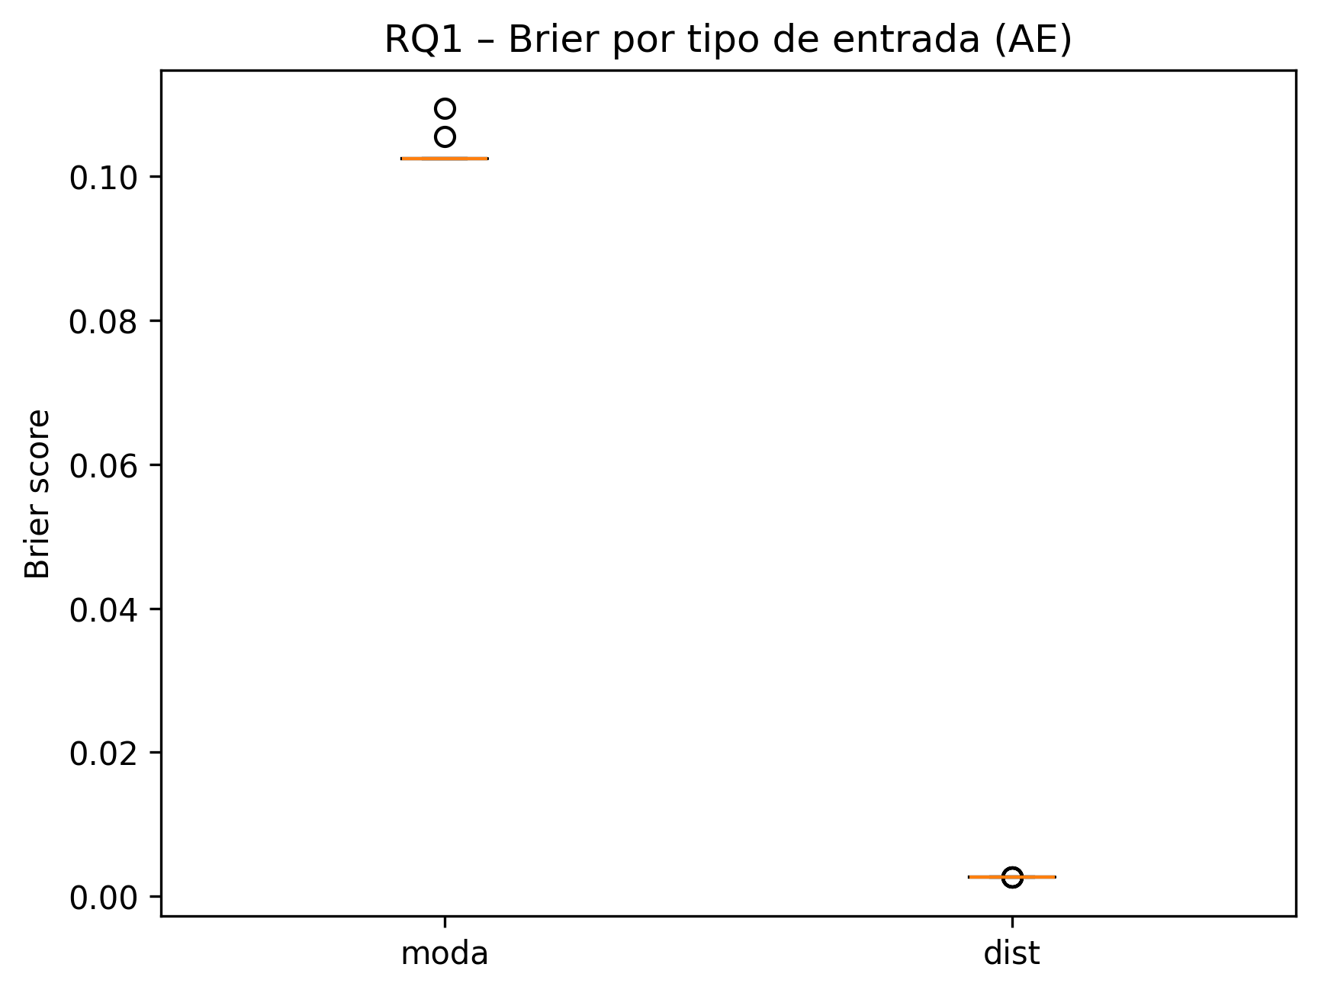
Python script for generating the boxplots
import pandas as pd import matplotlib.pyplot as plt IN_PATH = "RQ1_moda_vs_dist_paired.csv" def plot_boxplot_por_node(df_node, node): """Boxplot simples de Brier (moda vs dist) para um nó.""" data = [df_node["moda"], df_node["dist"]] labels = ["moda", "dist"] plt.figure() plt.boxplot(data, labels=labels) plt.ylabel("Brier score") plt.title(f"RQ1 – Brier por tipo de entrada ({node})") out = f"RQ1_boxplot_moda_vs_dist_{node}.png" plt.savefig(out, bbox_inches="tight", dpi=300) plt.close() print(f"Salvo: {out}") def plot_paired_lines(df_node, node): """Gráfico pareado: uma linha por seed ligando moda -> dist.""" plt.figure() for _, row in df_node.iterrows(): x = [0, 1] # 0 = moda, 1 = dist y = [row["moda"], row["dist"]] plt.plot(x, y, marker="o", linestyle="-", alpha=0.5) plt.xticks([0, 1], ["moda", "dist"]) plt.ylabel("Brier score") plt.title(f"RQ1 – diferenças por seed (moda vs dist) – {node}") out = f"RQ1_paired_moda_vs_dist_{node}.png" plt.savefig(out, bbox_inches="tight", dpi=300) plt.close() print(f"Salvo: {out}") def main(): df = pd.read_csv(IN_PATH) for node in sorted(df["node"].unique()): sub = df[df["node"] == node].dropna(subset=["moda", "dist"]).copy() if sub.empty: continue plot_boxplot_por_node(sub, node) plot_paired_lines(sub, node) if __name__ == "__main__": main()
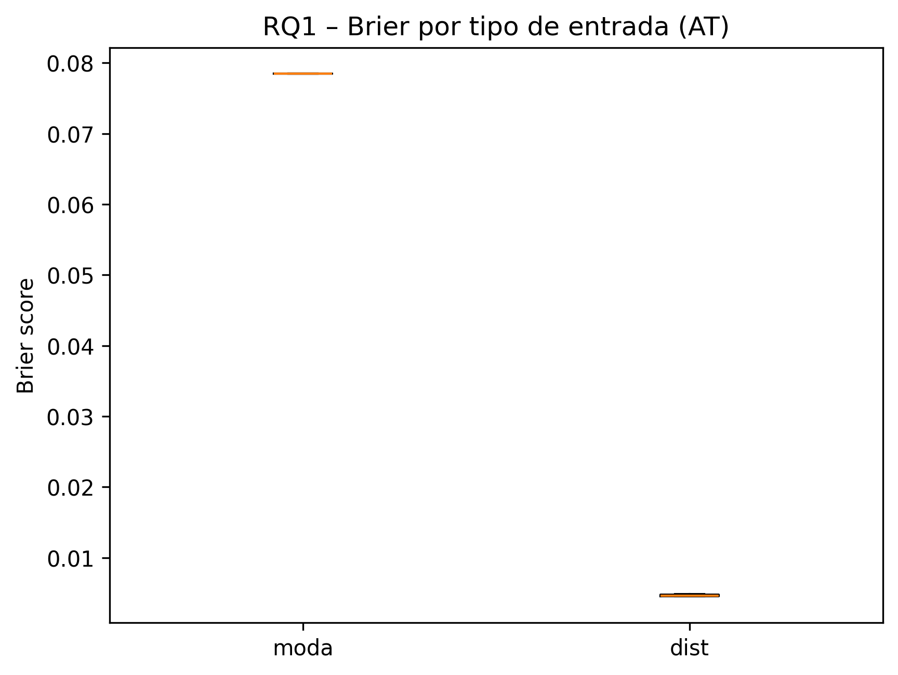
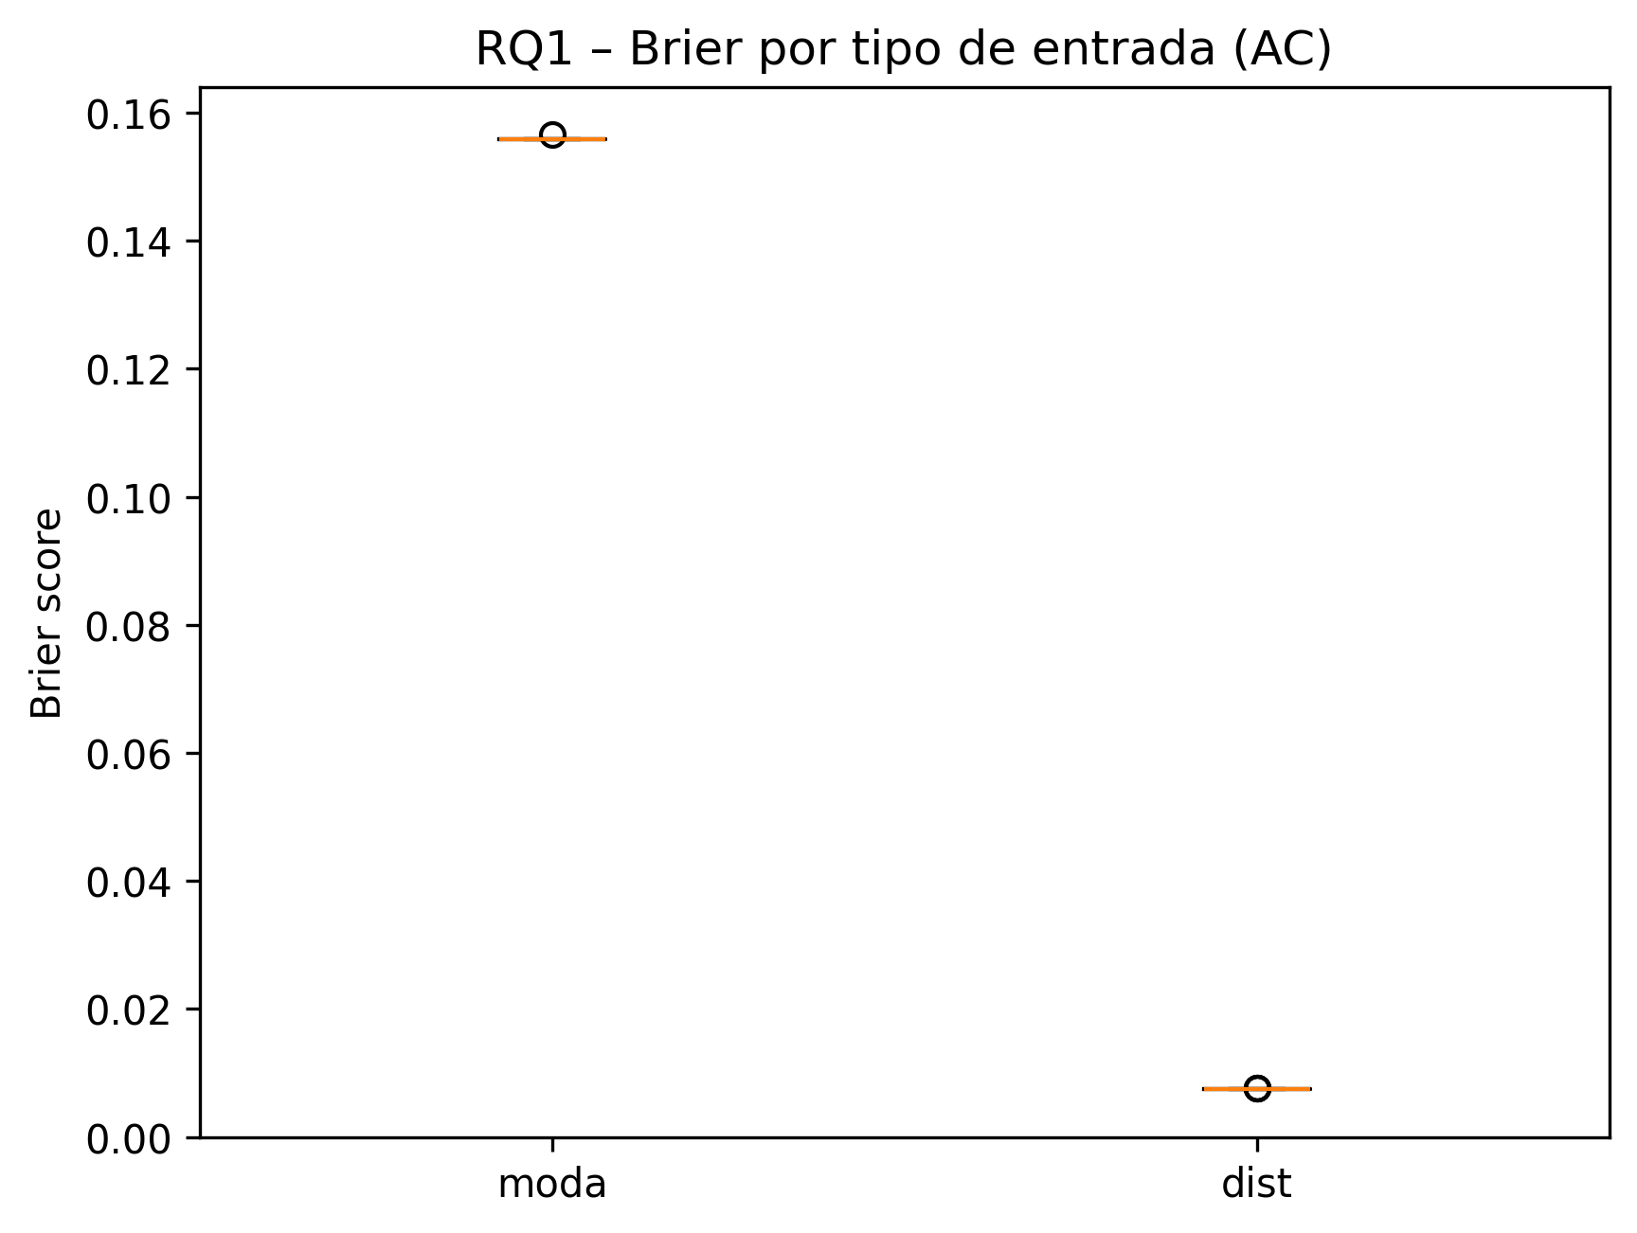

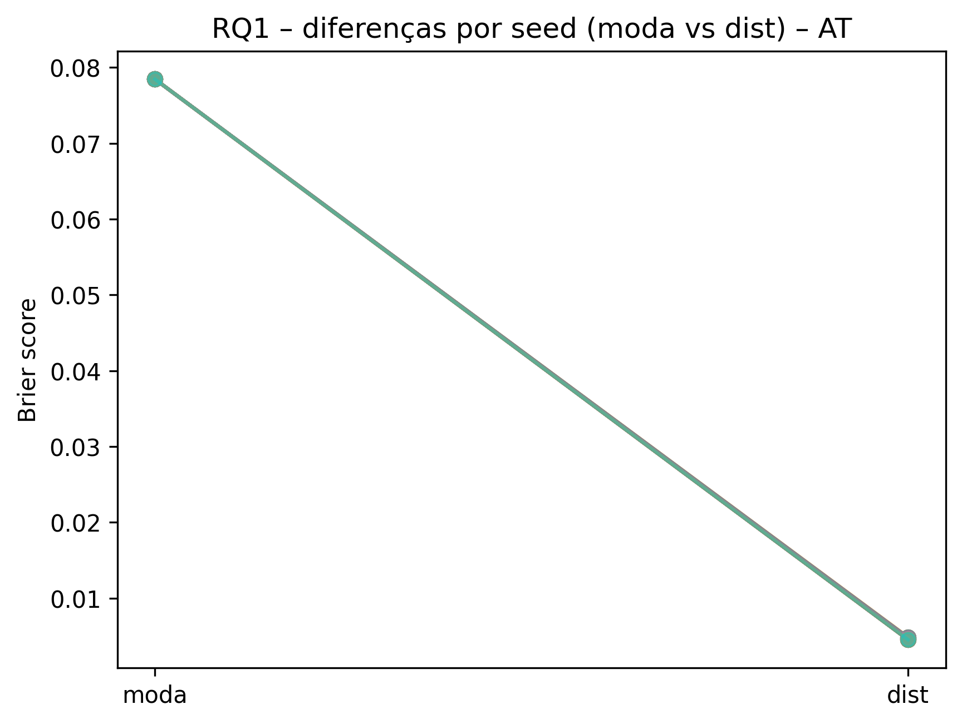
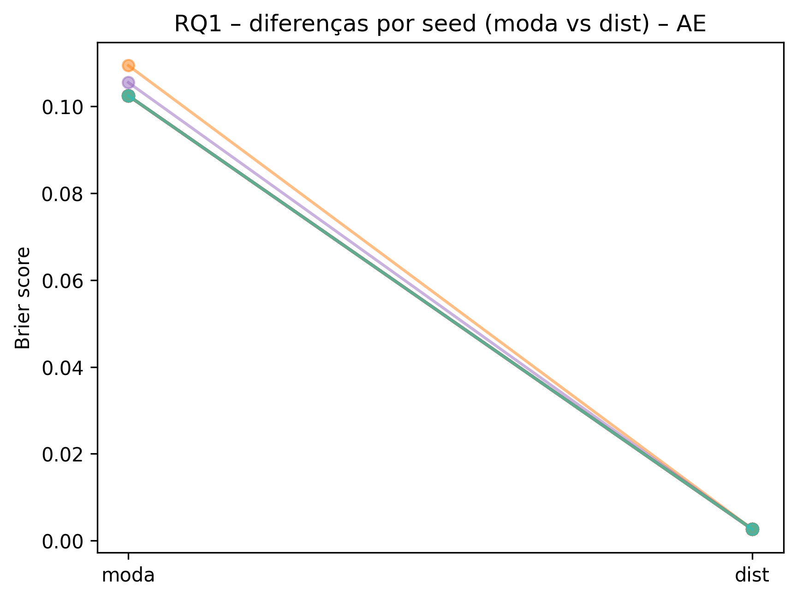
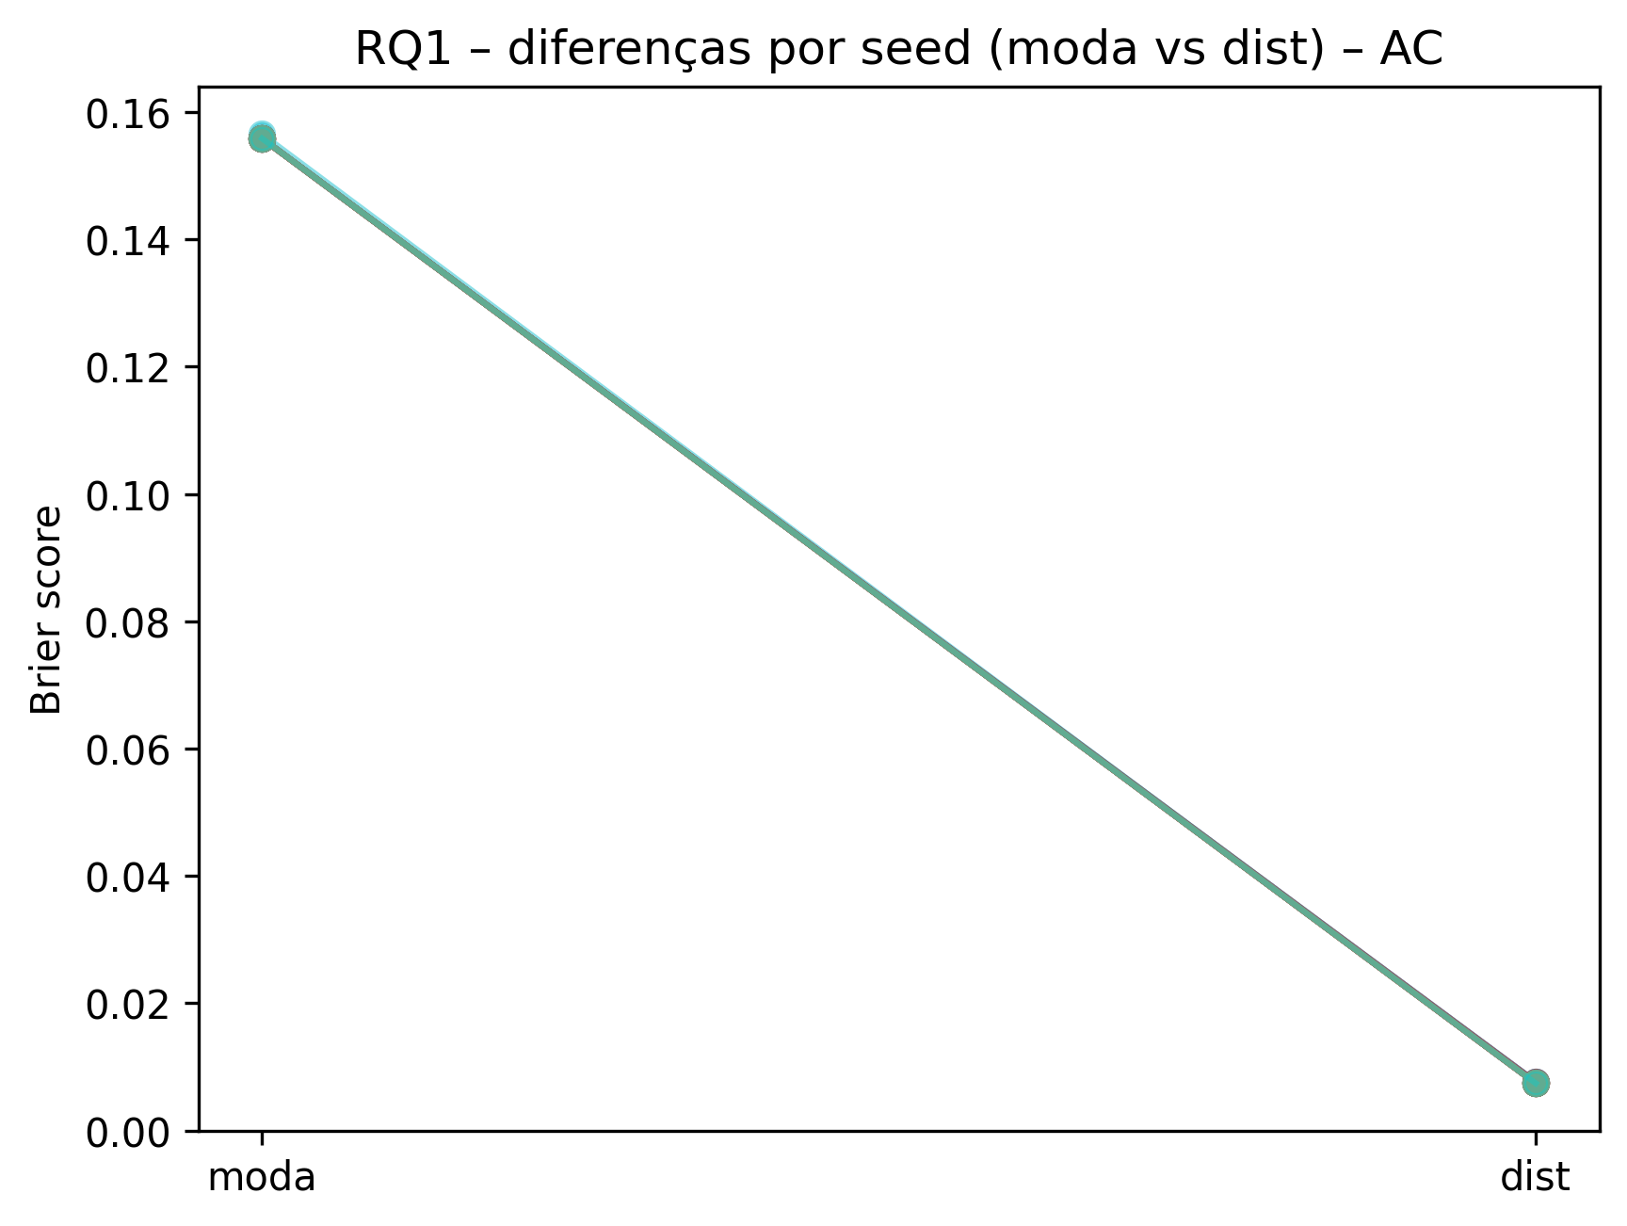

Linhas pareadas por seed (n=30). As trajetórias se sobrepõem devido a valores muito similares entre seeds dentro de cada condição, refletindo estabilidade. Em todas as seeds, o Brier com dist é menor do que com moda (W=0).
Interpretation
Para cada nó (AT, AC e AE), usamos 30 seeds emparelhadas comparando diretamente moda vs dist. Em AC, o Brier médio cai de ≈0,155 com moda para ≈0,0074 com distribuição real, uma redução de ~95%. Em AE, o Brier médio vai de ≈0,102 para ≈0,0026 (redução de ~97%), e em AT de ≈0,078 para ≈0,0046 (redução de ~94%). Os boxplots mostram caixas totalmente separadas entre moda e dist em todos os nós (moda sempre com erro bem maior) e os gráficos pareados exibem, para cada seed, uma linha que desce de moda para dist, indicando que em 100% das seeds o erro com dist é menor do que com moda. O teste de Wilcoxon pareado confirma essa diferença com p-valores ajustados por Holm muito baixos (p_holm < 0,001 em AT, AC e AE) e tamanhos de efeito muito grandes (r ≈ 0,87 em todos os nós). Em resumo, usar a distribuição real dos estados na calibração reduz drasticamente o Brier em AT, AC e AE, de forma consistente em todas as seeds e com forte evidência estatística.

Os gráficos pareados mostram uma queda consistente de moda para dist em todas as seeds. As trajetórias individuais aparecem sobrepostas porque várias seeds produzem valores idênticos (ou praticamente idênticos), indicando alta estabilidade do efeito. O teste de Wilcoxon pareado (n=30) confirma que a redução ocorre em 100% das seeds (W=0), com efeito muito grande (r≈0,87) e p_holm < 0,001.

RQ2
RQ2
Como as funções de agregação, os pesos e as variâncias calibradas caracterizam o modo como o especialista avalia AT, AC e AE na Rede Bayesiana?

RQ2.1. Para AT, AC e AE, e para cada tipo de entrada (distribuição vs. moda), qual função de agregação gera os menores valores de Brier?

Summary
cond | node | funcao | n | brier_mean | brier_std | brier_min | brier_max | sigma_mean | sigma_std | tempo_mean_s | tempo_std_s
Distribuição real | AC | WMAX | 30 | 0.0074464121212 | 8.29E-05 | 0.0074144363636 | 0.0076542545455 | 0.1 | 0 | 251.50049667 | 65.626179059
Distribuição real | AE | MIXMINMAX | 5 | 0.0026562 | 0 | 0.0026562 | 0.0026562 | 0.1 | 0 | 119.56604 | 12.685086426
Distribuição real | AE | WMIN | 25 | 0.0026118666667 | 0 | 0.0026118666667 | 0.0026118666667 | 0.1 | 0 | 117.432012 | 7.9594565456
Distribuição real | AT | WMAX | 16 | 0.004532883 | 3.98E-05 | 0.0045229213333 | 0.004682308 | 0.053125 | 0.0125 | 101.10158125 | 6.3307416406
Distribuição real | AT | WMEAN | 14 | 0.0047860318095 | 3.74E-05 | 0.004761548 | 0.0048796013333 | 0.1 | 0 | 98.025714286 | 4.6467796461
Moda | AC | WMAX | 30 | 0.15587149333 | 0.00012459526348 | 0.15584874545 | 0.15653118182 | 0.1 | 0 | 242.52824 | 64.414824021
Moda | AE | WMAX | 1 | 0.10941686667 |  | 0.10941686667 | 0.10941686667 | 0.01 |  | 136.193
Moda | AE | WMIN | 29 | 0.10257274713 | 0.0005651575719 | 0.1024678 | 0.10551126667 | 0.01 | 0 | 150.9457931 | 32.566883899
Moda | AT | WMAX | 30 | 0.078444133333 | 0 | 0.078444133333 | 0.078444133333 | 0.005 | 0 | 120.25158333 | 22.187827486

Teste de Kruskal–Wallis do Brier por função de agregação, nó (AT, AC, AE) e condição de entrada (distribuição real vs. moda)
cond | node | n_funcs | min_n_func | kruskal_H | kruskal_p
Distribuição real | AC | 1 | 30
Distribuição real | AE | 2 | 5 | 29 | 7.24E-08
Distribuição real | AT | 2 | 14 | 25.608409987 | 4.18E-07
Moda | AC | 1 | 30
Moda | AE | 2 | 1
Moda | AT | 1 | 30
Comparações par-a-par de Brier entre funções de agregação clássicas (teste de Mann–Whitney U), por nó e condição de entrada.
cond | node | func1 | func2 | n1 | n2 | U | p_value | effect_r | mean_f1 | mean_f2 | median_f1 | median_f2 | p_holm
Distribuição real | AE | MIXMINMAX | WMIN | 5 | 25 | 125 | 9.19E-08 | 0.635000635 | 0.0026562 | 0.0026118666667 | 0.0026562 | 0.0026118666667 | 9.19E-08
Distribuição real | AT | WMAX | WMEAN | 16 | 14 | 0 | 4.71E-07 | 0.85004743701 | 0.004532883 | 0.0047860318095 | 0.0045229213333 | 0.004761548 | 4.71E-07
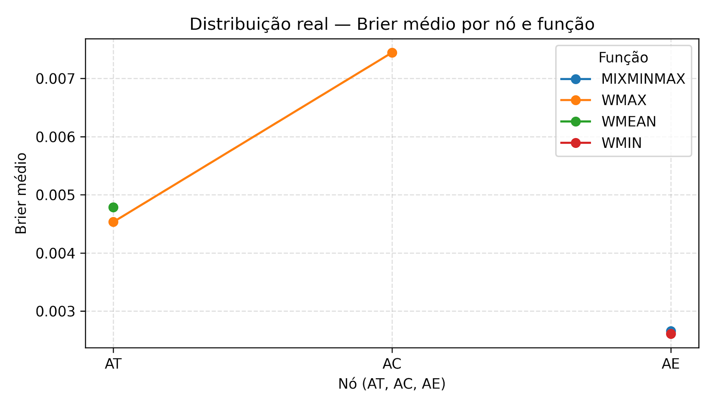

Interpretation
Os resultados indicam que a calibração tende a selecionar funções específicas por nó. Em AC, a calibração escolheu WMAX em 30/30 seeds tanto com distribuição real quanto com moda, sugerindo convergência completa. Em AT, a condição moda selecionou WMAX em 30/30 seeds, enquanto na condição distribuição real houve uma divisão entre WMAX (16/30) e WMEAN (14/30), com WMAX apresentando menor Brier médio e diferença significativa (Kruskal p≈4,18e−07; Mann–Whitney p≈4,71e−07; r≈0,85). Em AE, na condição distribuição real, WMIN foi selecionada em 25/30 seeds e apresentou Brier menor do que MIXMINMAX, com evidência estatística forte (Kruskal p≈7,24e−08; Mann–Whitney p≈9,19e−08; r≈0,64). Na condição moda, WMIN foi escolhida em 29/30 seeds, indicando preferência dominante, embora a comparação estatística direta com outras funções seja limitada pela baixa amostra da alternativa.

RQ2.2 Quais pesos são atribuídos aos pais de AT, AC e AE nas melhores configurações, e o que isso indica sobre a importância relativa de cada fator?

cond | node | funcao | seed | brier | sigma | tempo_total_s | pesos | target
Distribuição real | AC | WMAX | 29 | 0.0074 | 0.1 | 289.2543 | [np.int32(1), np.int32(2), np.int32(5), np.int32(2), np.int32(5)] | AC
Distribuição real | AE | MIXMINMAX | 11 | 0.0027 | 0.1 | 109.2798 | [np.int32(5), np.int32(2)] | AE
Distribuição real | AE | WMIN | 29 | 0.0026 | 0.1 | 122.7046 | [np.int32(3), np.int32(2)] | AE
Distribuição real | AT | WMAX | 1 | 0.0045 | 0.05 | 102.3834 | [np.int32(1), np.int32(1), np.int32(3)] | AT
Distribuição real | AT | WMEAN | 0 | 0.0048 | 0.1 | 97.2995 | [np.int32(4), np.int32(2), np.int32(5)] | AT
Moda | AC | WMAX | 27 | 0.1558 | 0.1 | 220.1608 | [np.int32(1), np.int32(5), np.int32(5), np.int32(5), np.int32(5)] | AC
Moda | AE | WMAX | 11 | 0.1094 | 0.01 | 136.193 | [np.int32(1), np.int32(5)] | AE
Moda | AE | WMIN | 10 | 0.1025 | 0.01 | 142.0125 | [np.int32(3), np.int32(1)] | AE
Moda | AT | WMAX | 29 | 0.0784 | 0.005 | 175.6839 | [np.int32(2), np.int32(2), np.int32(5)] | AT

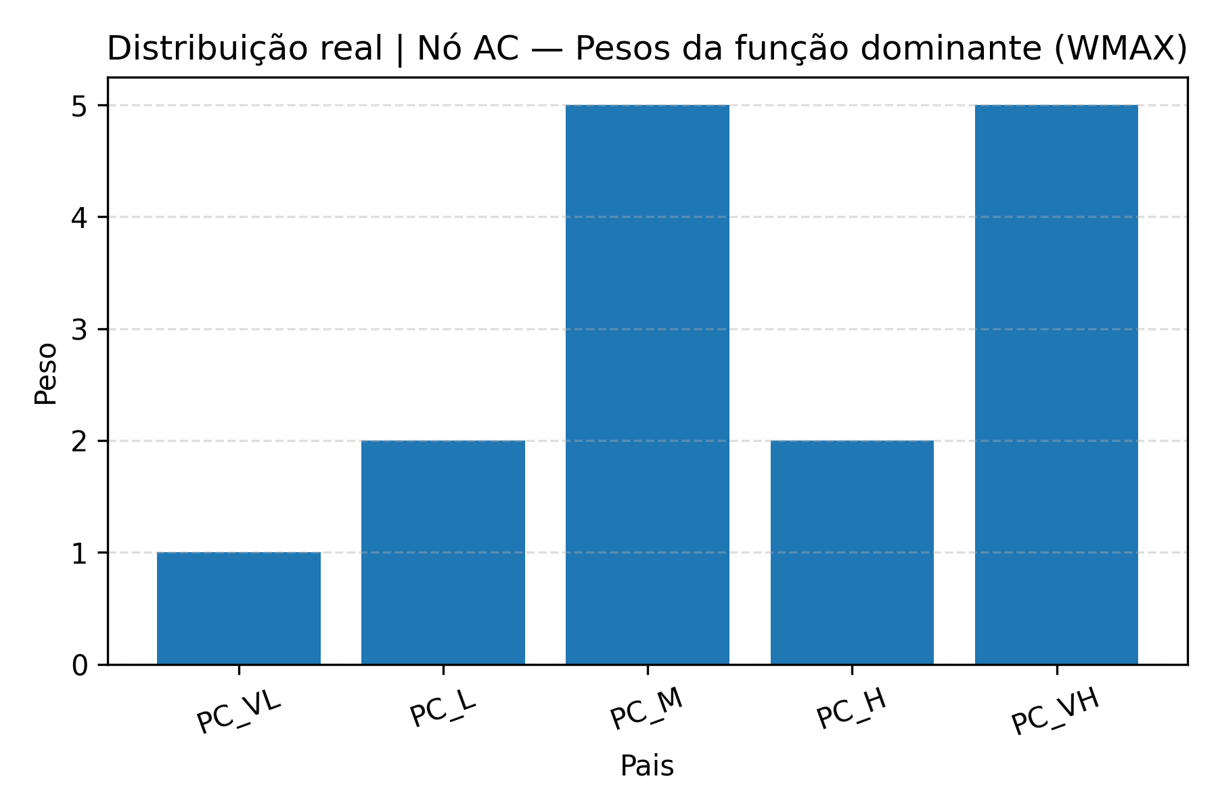
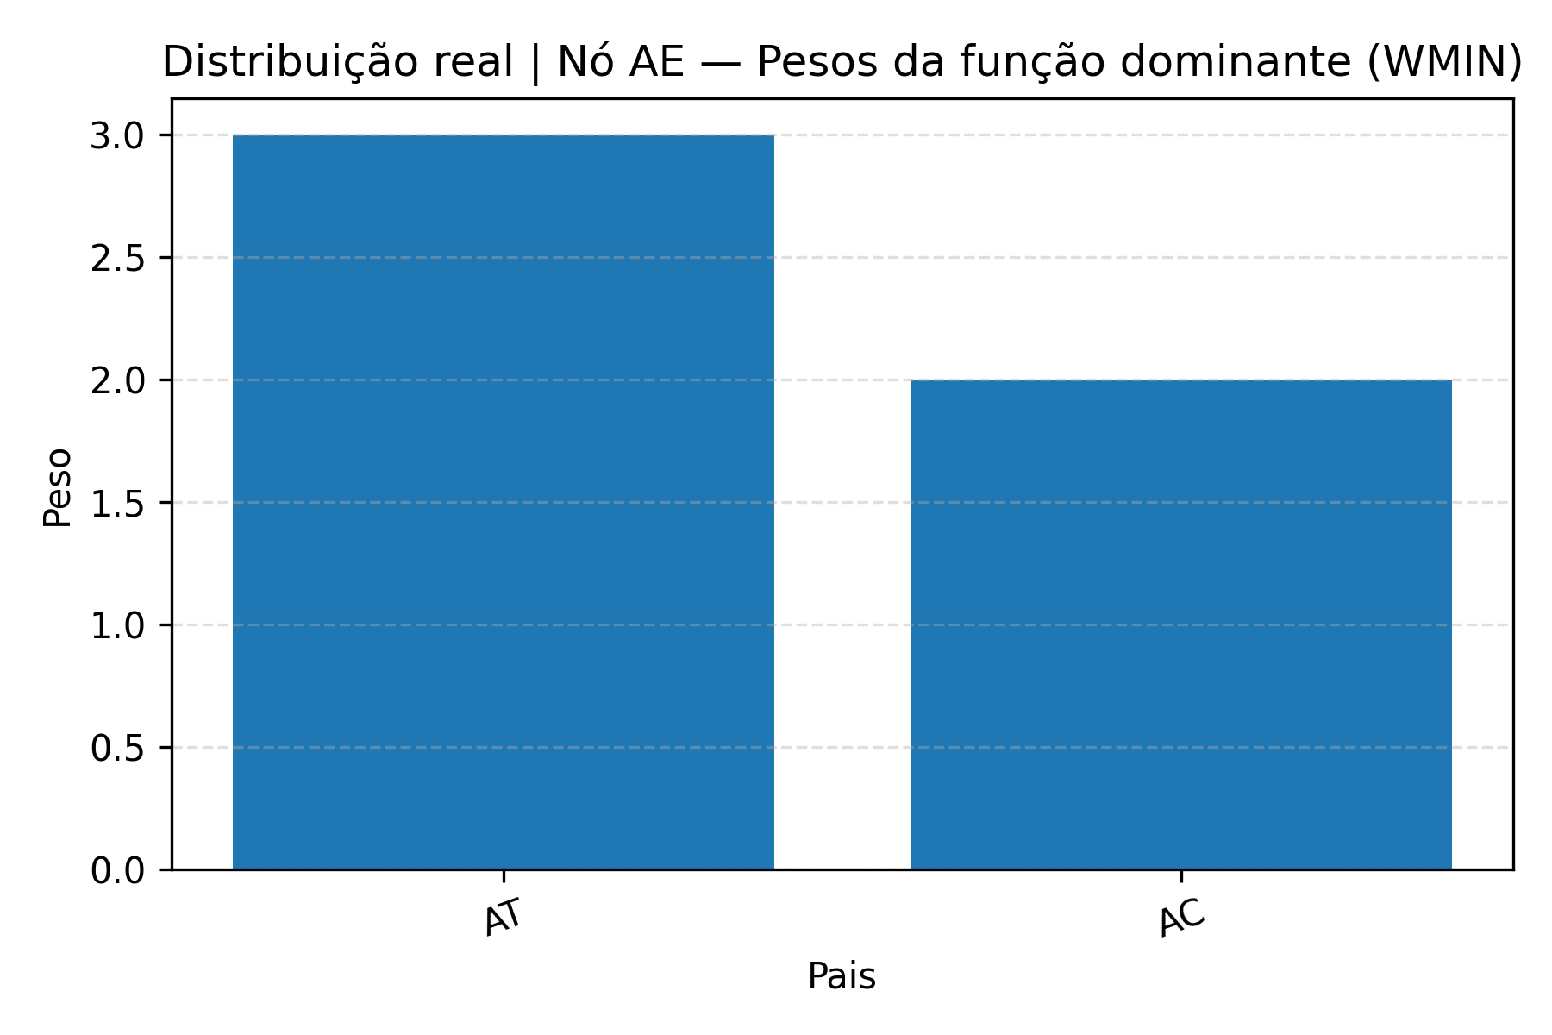
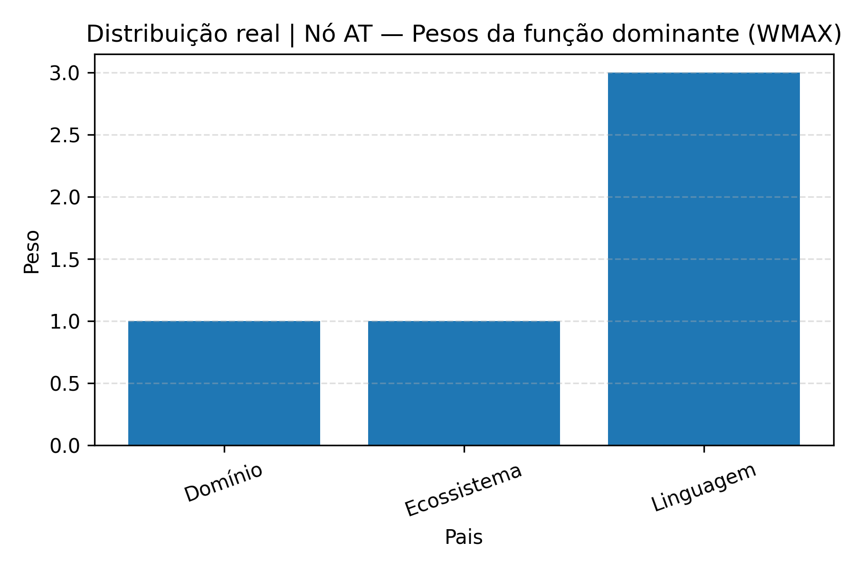

Python script
# RQ2_03_lineplots_functions_sigma_pesos.py # # Gera gráficos para RQ2: # 1) Brier médio por nó, com uma linha por função (por condição) # 2) Sigma médio por nó, com uma linha por função (por condição) # 3) Gráficos de barras com os pesos das funções dominantes em cada nó # # Arquivos de entrada: # - RQ2_functions_long.csv # - RQ2_functions_summary.csv # - RQ2_best_config_by_function.csv import re from pathlib import Path import matplotlib.pyplot as plt import pandas as pd IN_LONG = Path("RQ2_functions_long.csv") IN_SUM = Path("RQ2_functions_summary.csv") IN_BEST = Path("RQ2_best_config_by_function.csv") OUT_DIR = Path("figs_rq2_lines") def slug_cond(cond: str) -> str: """Converte o nome da condição em um 'apelido' sem acentos para nome de arquivo.""" cond = cond.lower() if "distrib" in cond: return "dist_real" if "moda" in cond: return "moda" return cond.replace(" ", "_") def order_nodes(nodes): """Ordena nós na ordem AT, AC, AE (se existirem).""" preferred = ["AT", "AC", "AE"] ordered = [n for n in preferred if n in nodes] ordered += [n for n in nodes if n not in ordered] return ordered import re # garante que tem esse import no topo def parse_pesos(pesos_str): """ Converte a string de pesos em lista de ints. Aceita formatos tipo: "[1 2 3]" "[1, 2, 3]" "[np.int32(1), np.int32(3), np.int32(2)]" """ if pd.isna(pesos_str): return [] s = str(pesos_str) if "np.int32" in s: # Pega só o número dentro dos parênteses nums = re.findall(r"np\.int32\((-?\d+)\)", s) return [int(n) for n in nums] # Caso simples: lista de inteiros s = s.strip("[]") s = s.replace(",", " ") parts = [p for p in s.split() if p] return [int(p) for p in parts] def plot_brier_lines_all_nodes(df_long: pd.DataFrame): """ Para cada condição, gera um gráfico de linhas: X = nós (AT, AC, AE) Y = Brier médio

Interpretation
AT (WMAX): os pesos favorecem Linguagem em relação a Domínio/Ecossistema, indicando que o especialista trata a stack/linguagem como principal evidência técnica; Domínio também pode ter peso relevante (especialmente quando surge WMEAN), enquanto Ecossistema tende a ser o menor. AC (WMAX): há peso alto em PC_M e PC_VH e baixo em PC_VL (PC_L e PC_H ficam intermediários), sugerindo que sinais de colaboração média/muito alta dominam AC e que pares muito fracos têm baixa influência; isso é coerente com a semântica do WMAX, que é puxada pelos sinais mais fortes. AE (WMIN): os pesos indicam AT > AC (ex.: 3 vs 2), e a semântica do WMIN sugere que a aptidão global da equipe é limitada pelo pior componente (técnico ou colaborativo), com leve prioridade para técnica.

RQ2.3. Como os valores de σ variam entre AT, AC e AE e entre as condições (distribuição vs. moda), e que nível de incerteza o especialista aceita em cada caso?

cond | node | funcao | n | brier_mean | brier_std | brier_min | brier_max | sigma_mean | sigma_std | tempo_mean_s | tempo_std_s
Distribuição real | AC | WMAX | 30 | 0.0074464121212 | 8.29E-05 | 0.0074144363636 | 0.0076542545455 | 0.1 | 0 | 251.50049667 | 65.626179059
Distribuição real | AE | MIXMINMAX | 5 | 0.0026562 | 0 | 0.0026562 | 0.0026562 | 0.1 | 0 | 119.56604 | 12.685086426
Distribuição real | AE | WMIN | 25 | 0.0026118666667 | 0 | 0.0026118666667 | 0.0026118666667 | 0.1 | 0 | 117.432012 | 7.9594565456
Distribuição real | AT | WMAX | 16 | 0.004532883 | 3.98E-05 | 0.0045229213333 | 0.004682308 | 0.053125 | 0.0125 | 101.10158125 | 6.3307416406
Distribuição real | AT | WMEAN | 14 | 0.0047860318095 | 3.74E-05 | 0.004761548 | 0.0048796013333 | 0.1 | 0 | 98.025714286 | 4.6467796461
Moda | AC | WMAX | 30 | 0.15587149333 | 0.00012459526348 | 0.15584874545 | 0.15653118182 | 0.1 | 0 | 242.52824 | 64.414824021
Moda | AE | WMAX | 1 | 0.10941686667 |  | 0.10941686667 | 0.10941686667 | 0.01 |  | 136.193
Moda | AE | WMIN | 29 | 0.10257274713 | 0.0005651575719 | 0.1024678 | 0.10551126667 | 0.01 | 0 | 150.9457931 | 32.566883899
Moda | AT | WMAX | 30 | 0.078444133333 | 0 | 0.078444133333 | 0.078444133333 | 0.005 | 0 | 120.25158333 | 22.187827486

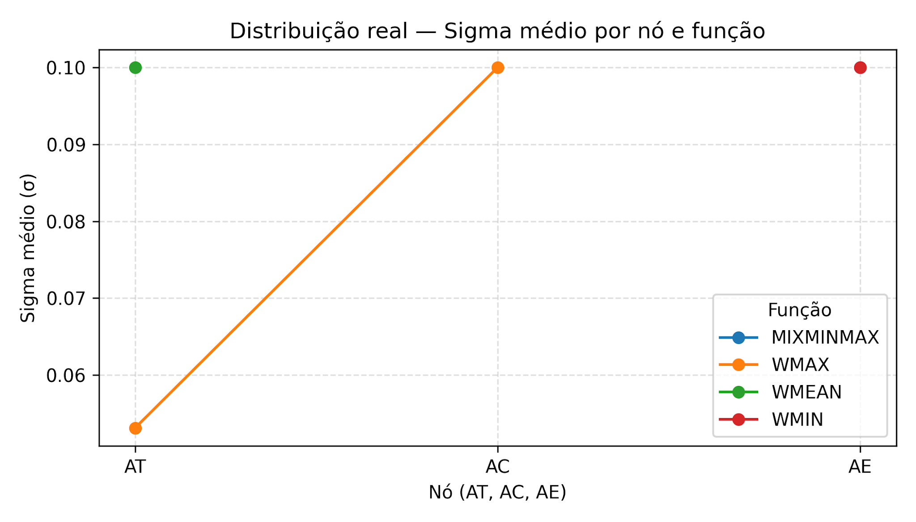
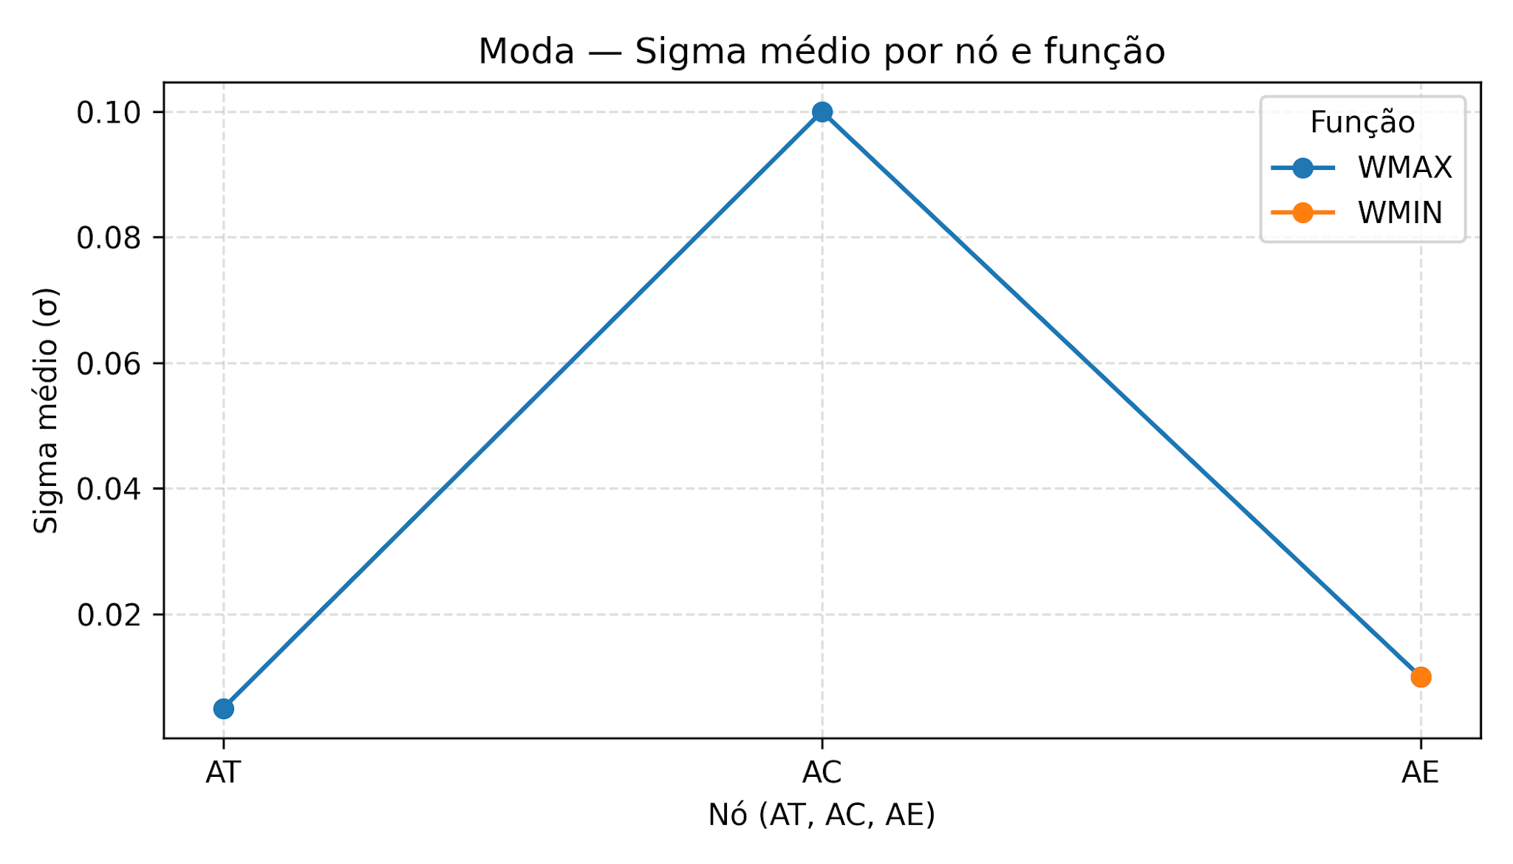

Interpretation
Na condição Distribuição real, a calibração estimou uma incerteza relativamente alta e homogênea nas configurações dominantes: AC/WMAX, AE/WMIN e AE/MIXMINMAX convergem para σ̄ = 0,10, produzindo distribuições mais difusas (maior dispersão) e, portanto, uma avaliação mais “suave” da aptidão. Em AT, há um ajuste: quando a função dominante é WMAX, o σ̄ é menor (≈ 0,053), enquanto WMEAN permanece em σ̄ = 0,10, sugerindo que a melhor explicação calibrada para AT combina WMAX com maior concentração (menor incerteza) na aptidão técnica. Na condição Moda, o padrão muda claramente: AC/WMAX mantém σ̄ = 0,10, mas AE/WMIN converge para σ̄ = 0,01 e AT/WMAX para σ̄ = 0,005, indicando distribuições fortemente concentradas (baixa tolerância a ambiguidade) para AT e AE quando a entrada é categórica (VL–VH). O caso AE/WMAX aparece apenas uma vez (n=1) também com σ = 0,01, e deve ser interpretado como episódico. Em termos de leitura do modelo, os resultados sugerem que, com Distribuição real, a calibração favorece uma representação mais contínua e incerta para AT/AC/AE; já com Moda, a representação calibrada de AT e AE torna-se bem mais rígida (σ pequeno), enquanto AC continua mais flexível (σ = 0,10).

RQ2.4. Que regra de decisão sobre a aptidão geral da equipe (AE) é codificada pela combinação de função, pesos e σ na BN calibrada?
Interpretation
Na BN calibrada, a aptidão geral da equipe (AE) é predominantemente modelada por WMIN na condição de Distribuição real (AE/WMIN aparece em 25/30 seeds e apresenta o menor Brier médio; Kruskal–Wallis: H=29,0; p=7,24×10⁻⁸; comparação com MIXMINMAX: p_Holm≈9,19×10⁻⁸). Essa combinação função + pesos implementa uma regra de gargalo: AE é limitada pela dimensão mais fraca entre AT e AC. Como os pesos típicos em AE são AT > AC (ex.: AT=3, AC=2), há uma leve prioridade para técnica, mas a decisão continua conservadora: não basta uma dimensão estar alta para AE subir. Além disso, o parâmetro σ controla o quão “dura” é essa regra: com Distribuição real a calibração tende a σ≈0,10 (saída mais suave/difusa), enquanto com Moda AE tende a σ≈0,01 (saída mais concentrada), aproximando uma decisão mais rígida. Em termos práticos, a regra implícita é: AE só atinge valores altos quando AT e AC são simultaneamente altos; se qualquer dimensão crítica estiver baixa, AE permanece baixa, mesmo que a outra seja alta.

Python script

RQ3
RQ3.
Ao adicionar a função de agregação WMIX_MIN_MEAN_MAX ao conjunto de funções ranked nodes (WMEAN, WMIN, WMAX, MIXMINMAX), a calibração da BN melhora para algum nó (AT, AC, AE) e tipo de entrada (moda vs. distribuição real)?

Esta planilha resume os resultados da calibração da BN para AT, AC e AE, mostrando, para cada configuração, as principais estatísticas do Brier (média, desvio padrão, valor mínimo e máximo no treino e teste), além do tempo médio e desvio padrão por seed.nfigurações e escolher a calibração final de cada variável.

 | Resumo da calibração (AT, AC e AE), usando 30 seeds, GA com população =50, gerações=25 e taxa de mutação =0.10, com entradas moda e distribuição real, com e sem a nova função WMIX
condicao | n_seeds | func_dominante | best_sigma | best_pesos | func_dominante_freq | brier_train_mean | brier_train_std | brier_train_min | brier_train_max | brier_test_mean | brier_test_std | brier_test_min | brier_test_max | tempo_s_mean | tempo_s_std
AT_moda | 30 | WMAX | 0.05 | pesos=[np.int32(2), np.int32(2), np.int32(5)] | 28 | 0.080729233333 | 0.013060117974 | 0.077029 | 0.132069 | 0.1029377 | 0.07223623975 | 0.084058 | 0.395697 | 152.20557 | 17.465718835
AT_moda_WMIX | 30 | WMIX_MIN_MEAN_MAX[a=0.00,g=0.40] | 0.005 | pesos=[np.int32(1), np.int32(1), np.int32(3)] | 26 | 0.074304466667 | 0.017819287332 | 0.058342 | 0.121714 | 0.1538072 | 0.085154033177 | 0.012103 | 0.336052 | 267.77787333 | 393.50434835
AT_dist | 30 | WMEAN | 0.5 | pesos=[np.int32(3), np.int32(1), np.int32(5)] | 29 | 0.0075645 | 5.20E-05 | 0.007555 | 0.00784 | 0.0024987 | 9.69E-05 | 0.002481 | 0.003012 | 127.59182333 | 5.6428826833
AT_dist_WMIX | 30 | WMIX_MIN_MEAN_MAX[a=0.00,g=0.10] | 0.5 | pesos=[np.int32(4), np.int32(1), np.int32(5)] | 19 | 0.007555 | 1.76E-18 | 0.007555 | 0.007555 | 0.0024373 | 3.38E-05 | 0.002412 | 0.002481 | 105.30155667 | 5.2438833333
AC_moda | 30 | WMAX | 0.5 | pesos=[np.int32(1), np.int32(4), np.int32(5), np.int32(4), np.int32(5)] | 30 | 0.156094 | 8.30E-05 | 0.156062 | 0.156302 | 0.1467756 | 6.64E-05 | 0.14675 | 0.146942 | 235.97214 | 26.169581059
AC_moda_WMIX | 30 | WMIX_MIN_MEAN_MAX[a=0.00,g=0.40] | 0.5 | pesos=[np.int32(1), np.int32(2), np.int32(5), np.int32(4), np.int32(5)] | 24 | 0.15568316667 | 0.00040517472462 | 0.155169 | 0.156665 | 0.15271796667 | 0.0030337562751 | 0.14675 | 0.155212 | 222.73354667 | 35.48595277
AC_dist | 30 | WMAX | 0.5 | pesos=[np.int32(1), np.int32(1), np.int32(4), np.int32(4), np.int32(5)] | 30 | 0.0102046 | 1.75E-05 | 0.0102 | 0.010269 | 0.015686 | 6.85E-05 | 0.015434 | 0.015704 | 256.70709 | 29.912813409
AC_dist_WMIX | 30 | WMAX | 0.5 | pesos=[np.int32(1), np.int32(2), np.int32(2), np.int32(1), np.int32(5)] | 29 | 0.010272166667 | 0.00013263407877 | 0.0102 | 0.010671 | 0.0156286 | 0.00040133231565 | 0.014722 | 0.017154 | 272.24453 | 278.48303738
AE_moda | 30 | WMIN | 0.1 | pesos=[np.int32(3), np.int32(1)] | 29 | 0.10269963333 | 0.0012687080174 | 0.102468 | 0.109417 | 0.17208286667 | 0.0045563213817 | 0.171251 | 0.196207 | 154.11906333 | 17.238765071
AE_moda_WMIX | 30 | WMIX_MIN_MEAN_MAX[a=0.40,g=0.10] | 0.1 | pesos=[np.int32(3), np.int32(2)] | 24 | 0.10097226667 | 0.0014320345289 | 0.100598 | 0.108414 | 0.17622446667 | 0.0079018173455 | 0.166269 | 0.213908 | 142.69285667 | 21.397888209
AE_dist | 30 | WMIN | 0.5 | pesos=[np.int32(5), np.int32(1)] | 16 | 0.004925 | 1.76E-18 | 0.004925 | 0.004925 | 0.003294 | 8.82E-19 | 0.003294 | 0.003294 | 167.07639667 | 21.687659871
AE_dist_WMIX | 30 | WMIN | 0.5 | pesos=[np.int32(5), np.int32(4)] | 26 | 0.0049263333333 | 7.30E-06 | 0.004925 | 0.004965 | 0.0032906 | 1.86E-05 | 0.003192 | 0.003294 | 99.418926667 | 2.9380391616

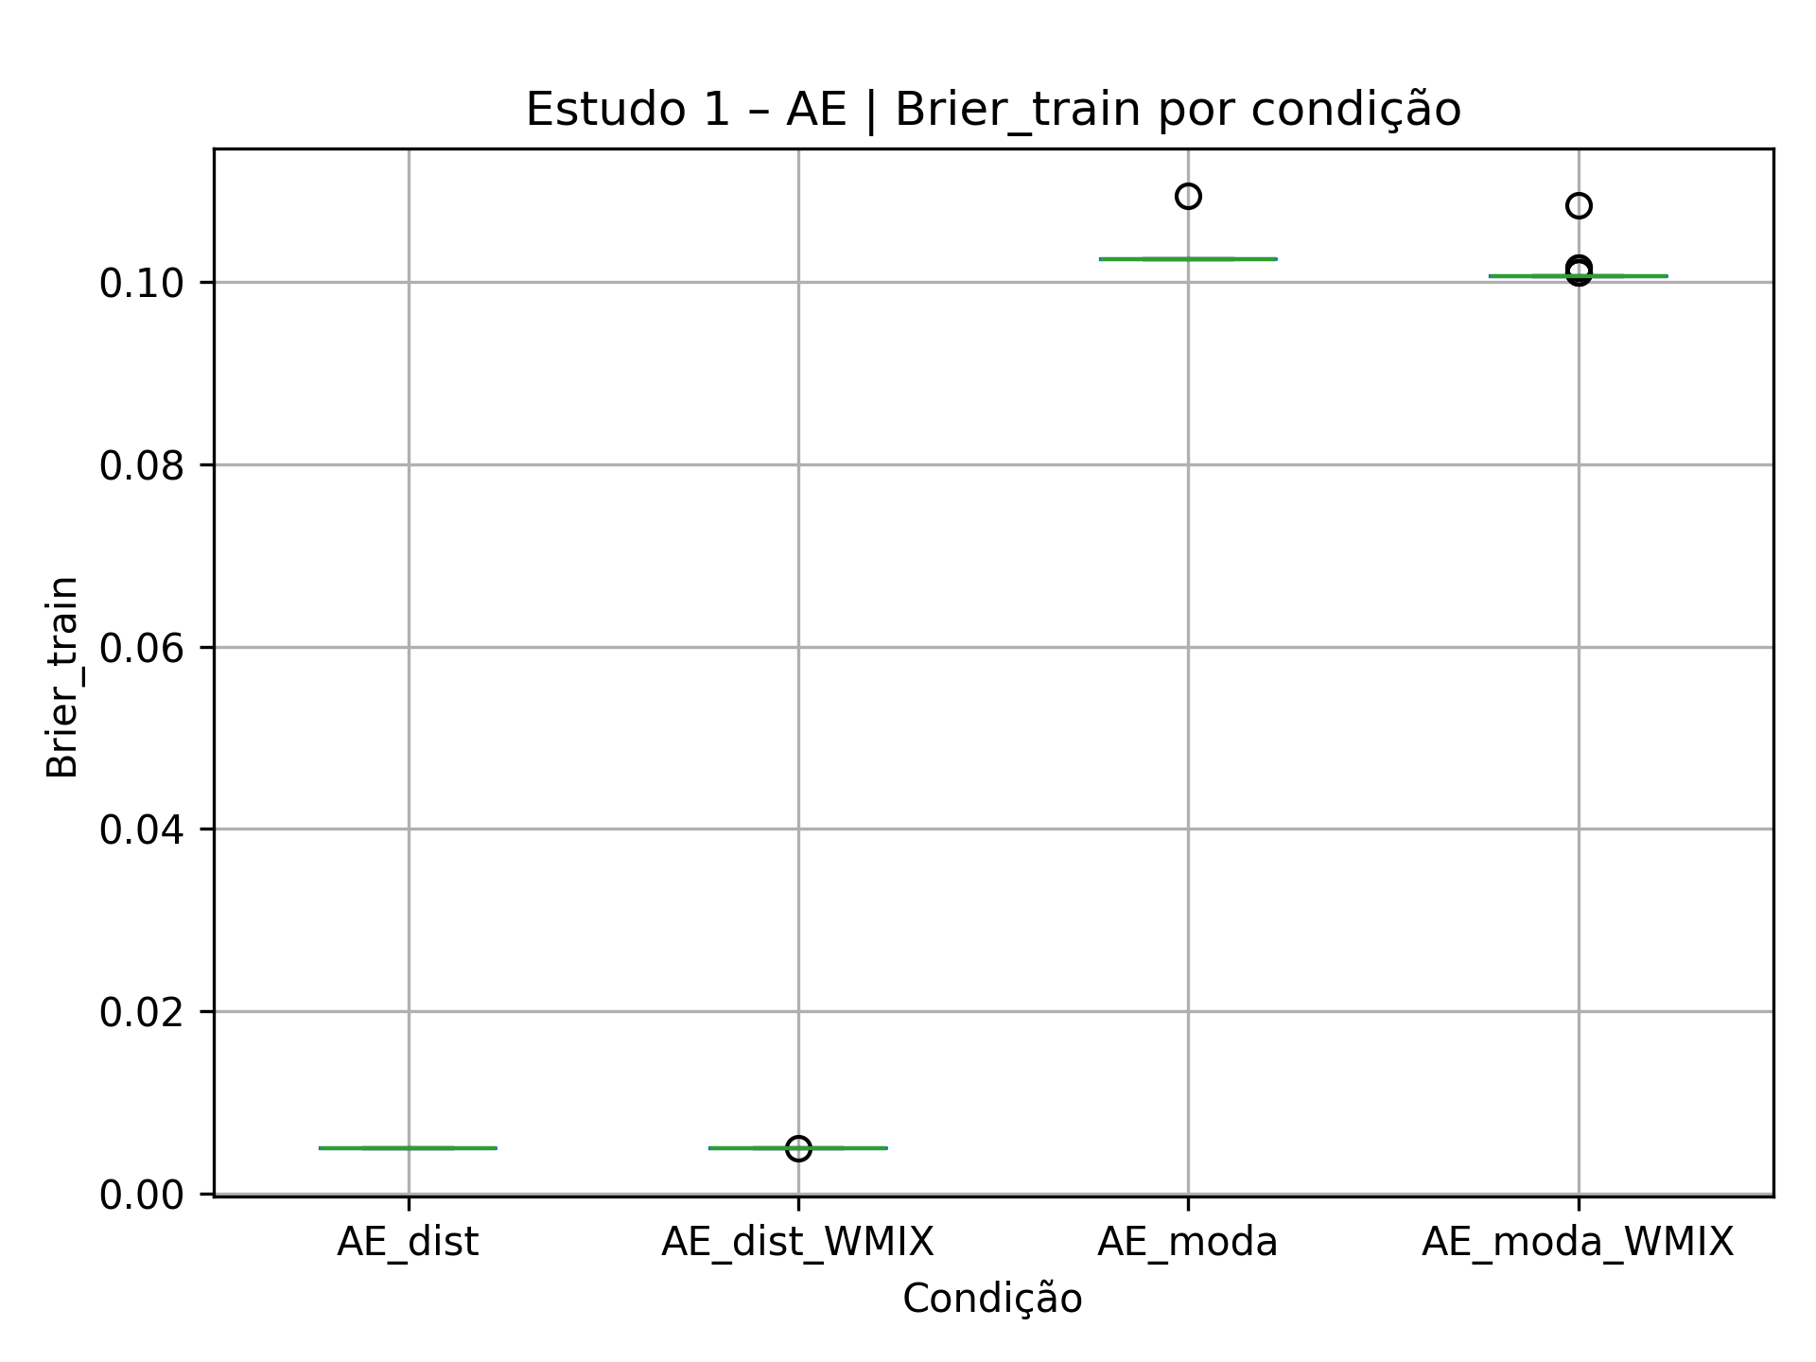
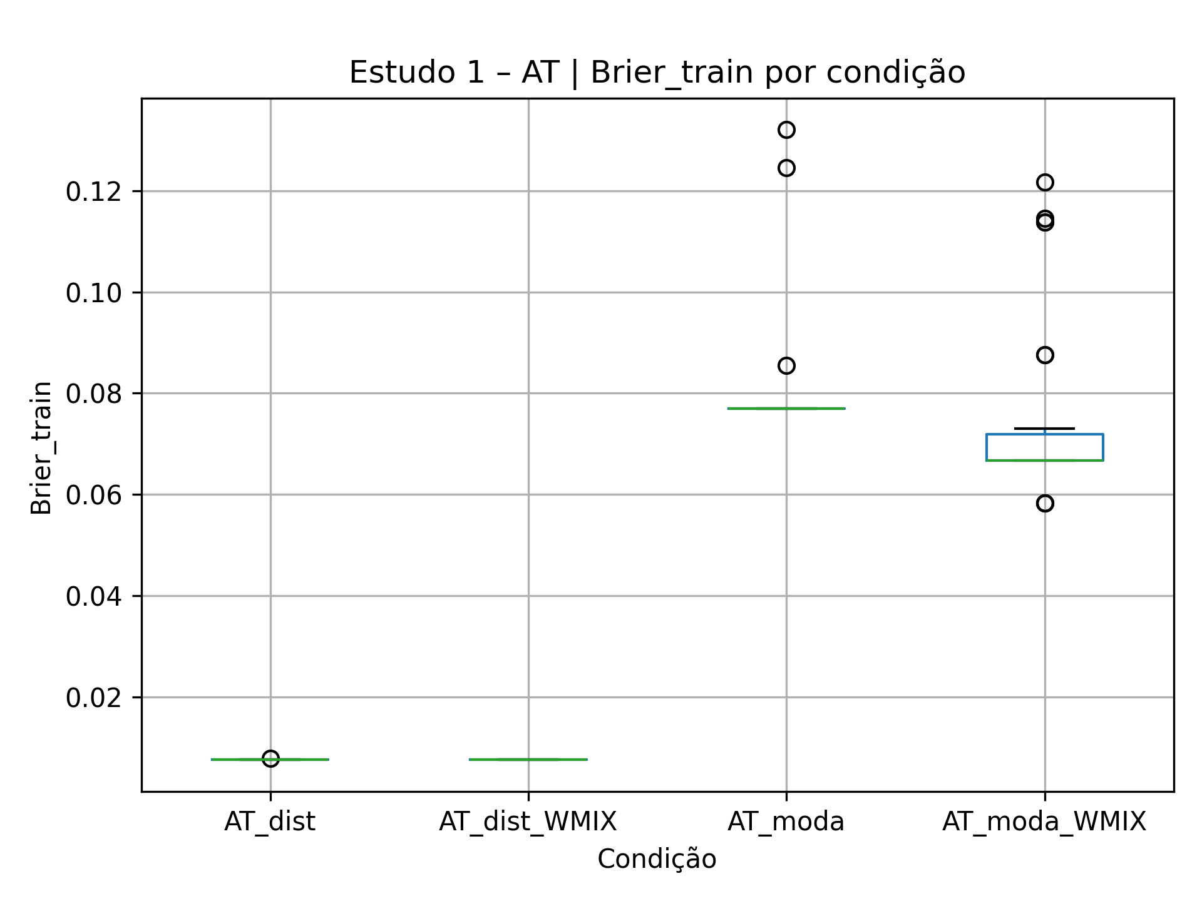
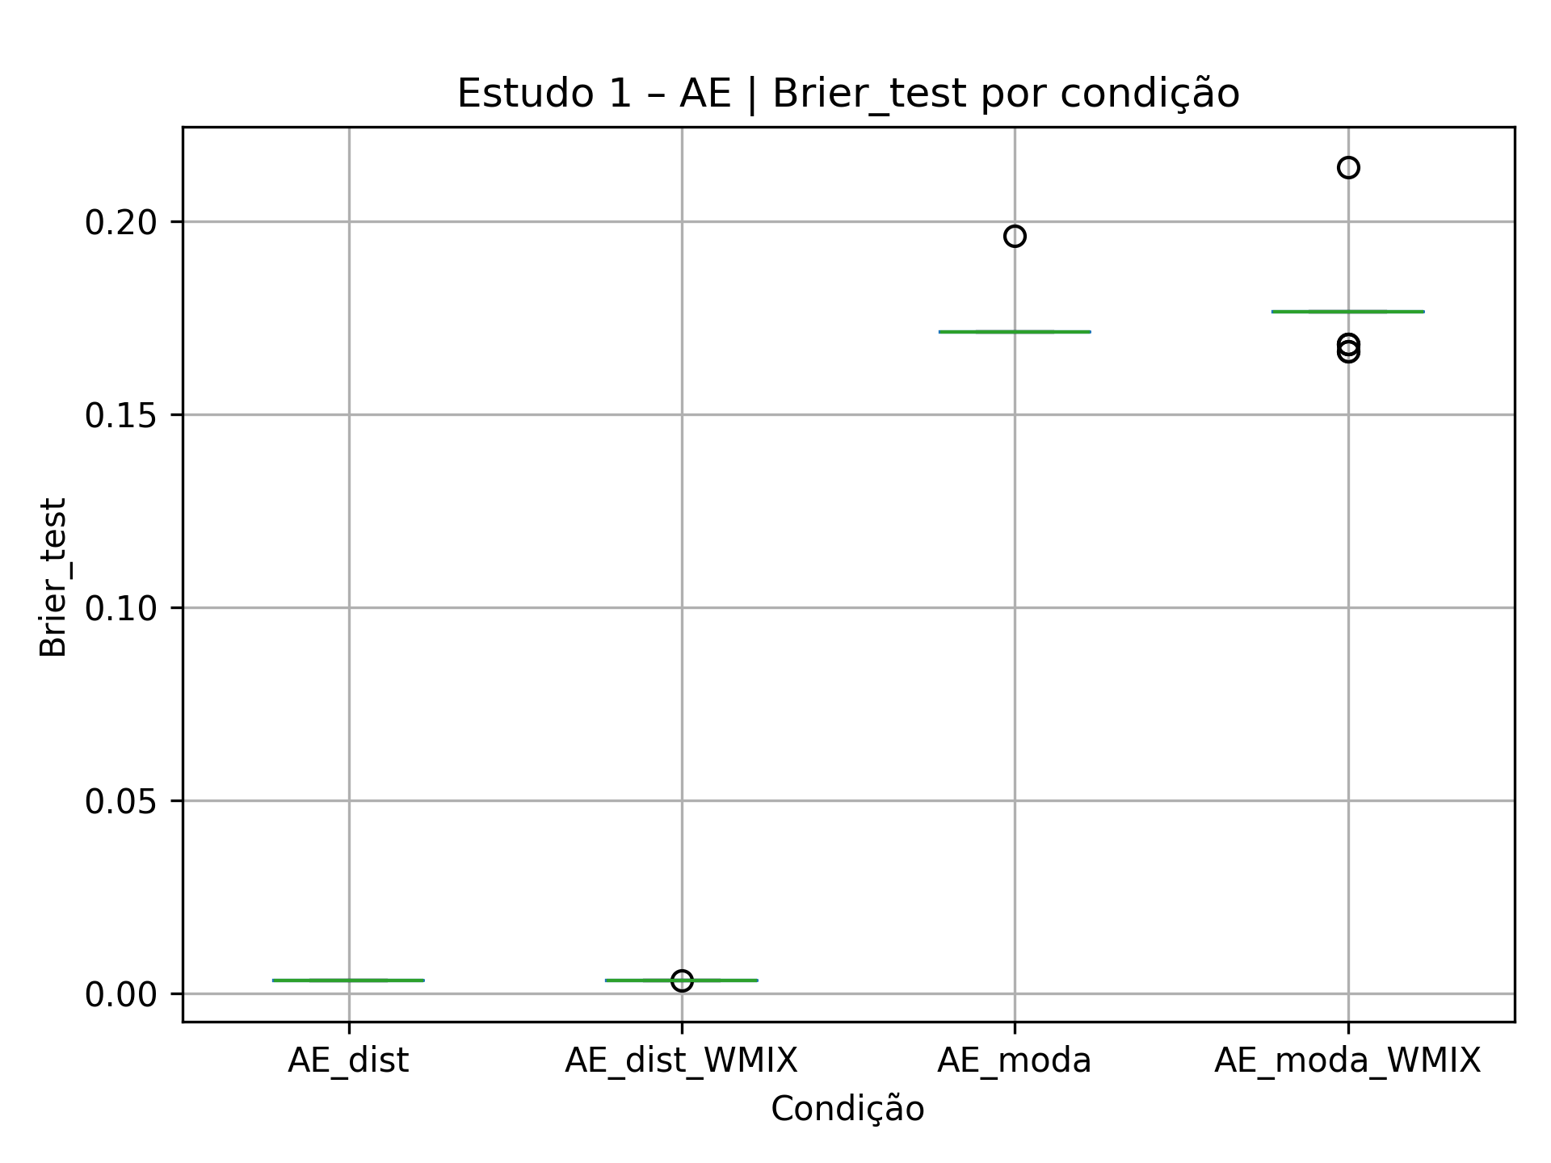
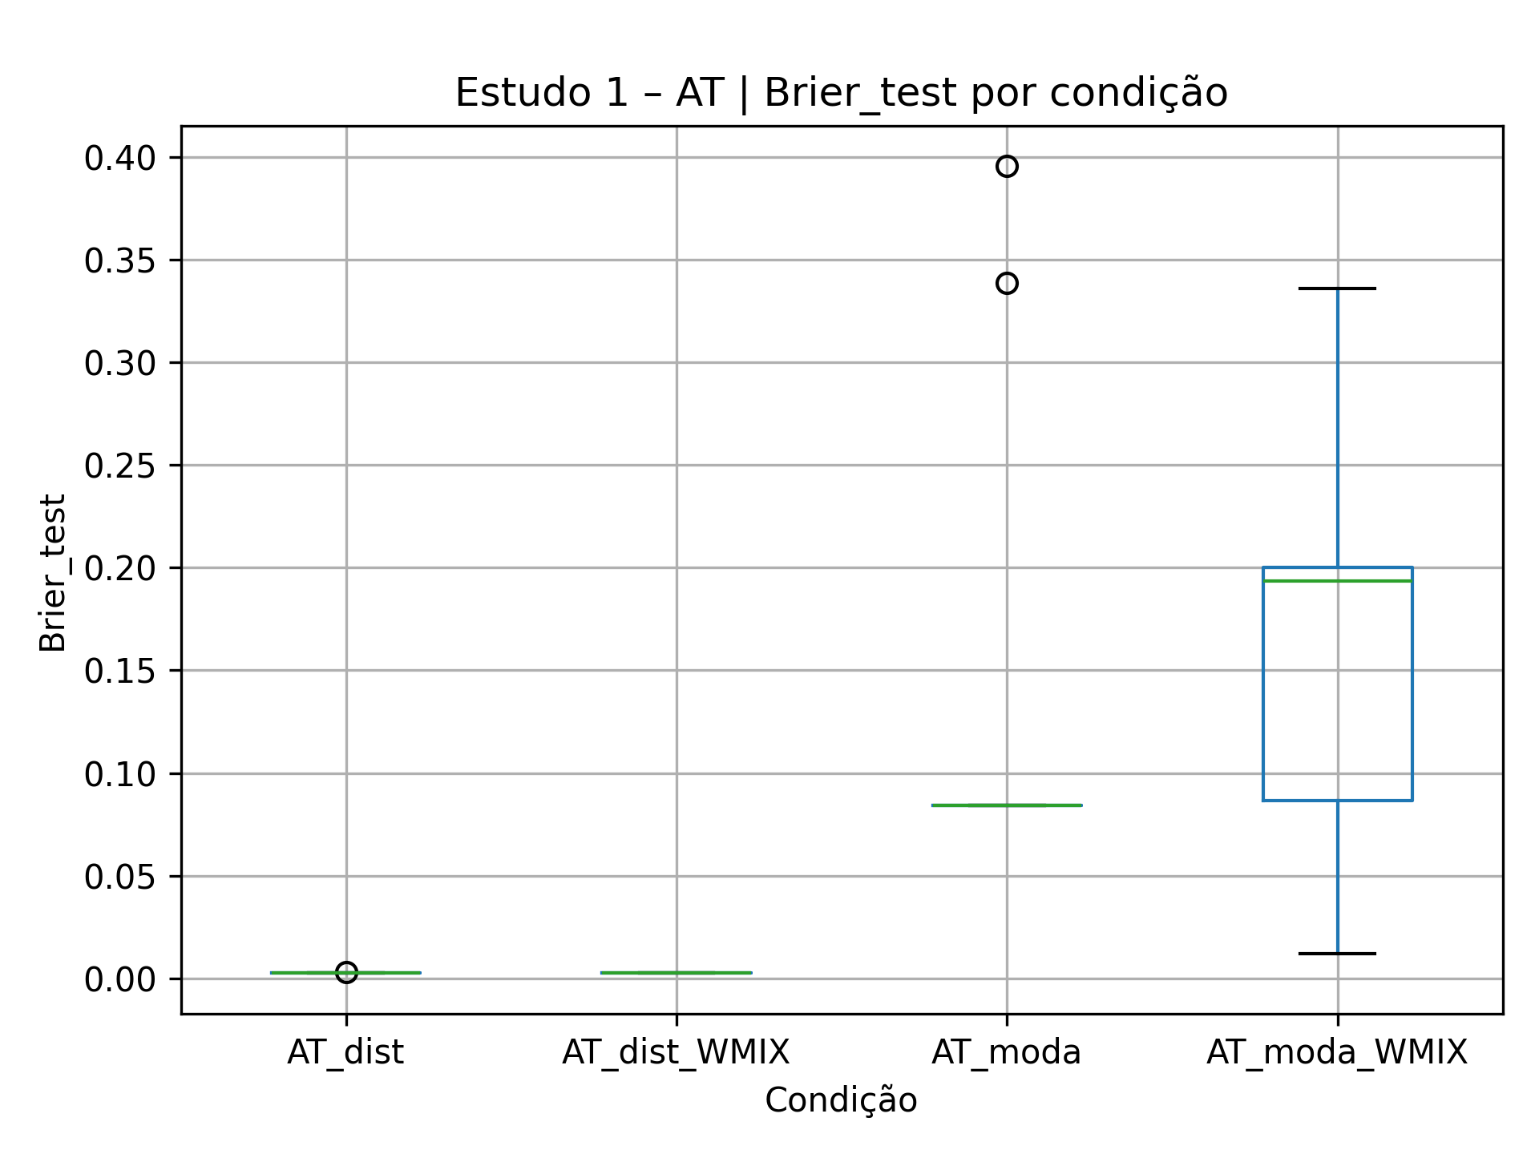
Desempenho das Funções de Agregação – Boxplots do Brier Score (treino, 30 seeds, por condição, com e sem WMIX)
AE |  |  |  |  |  |  | AT |  |  |  |  |  |  | AC
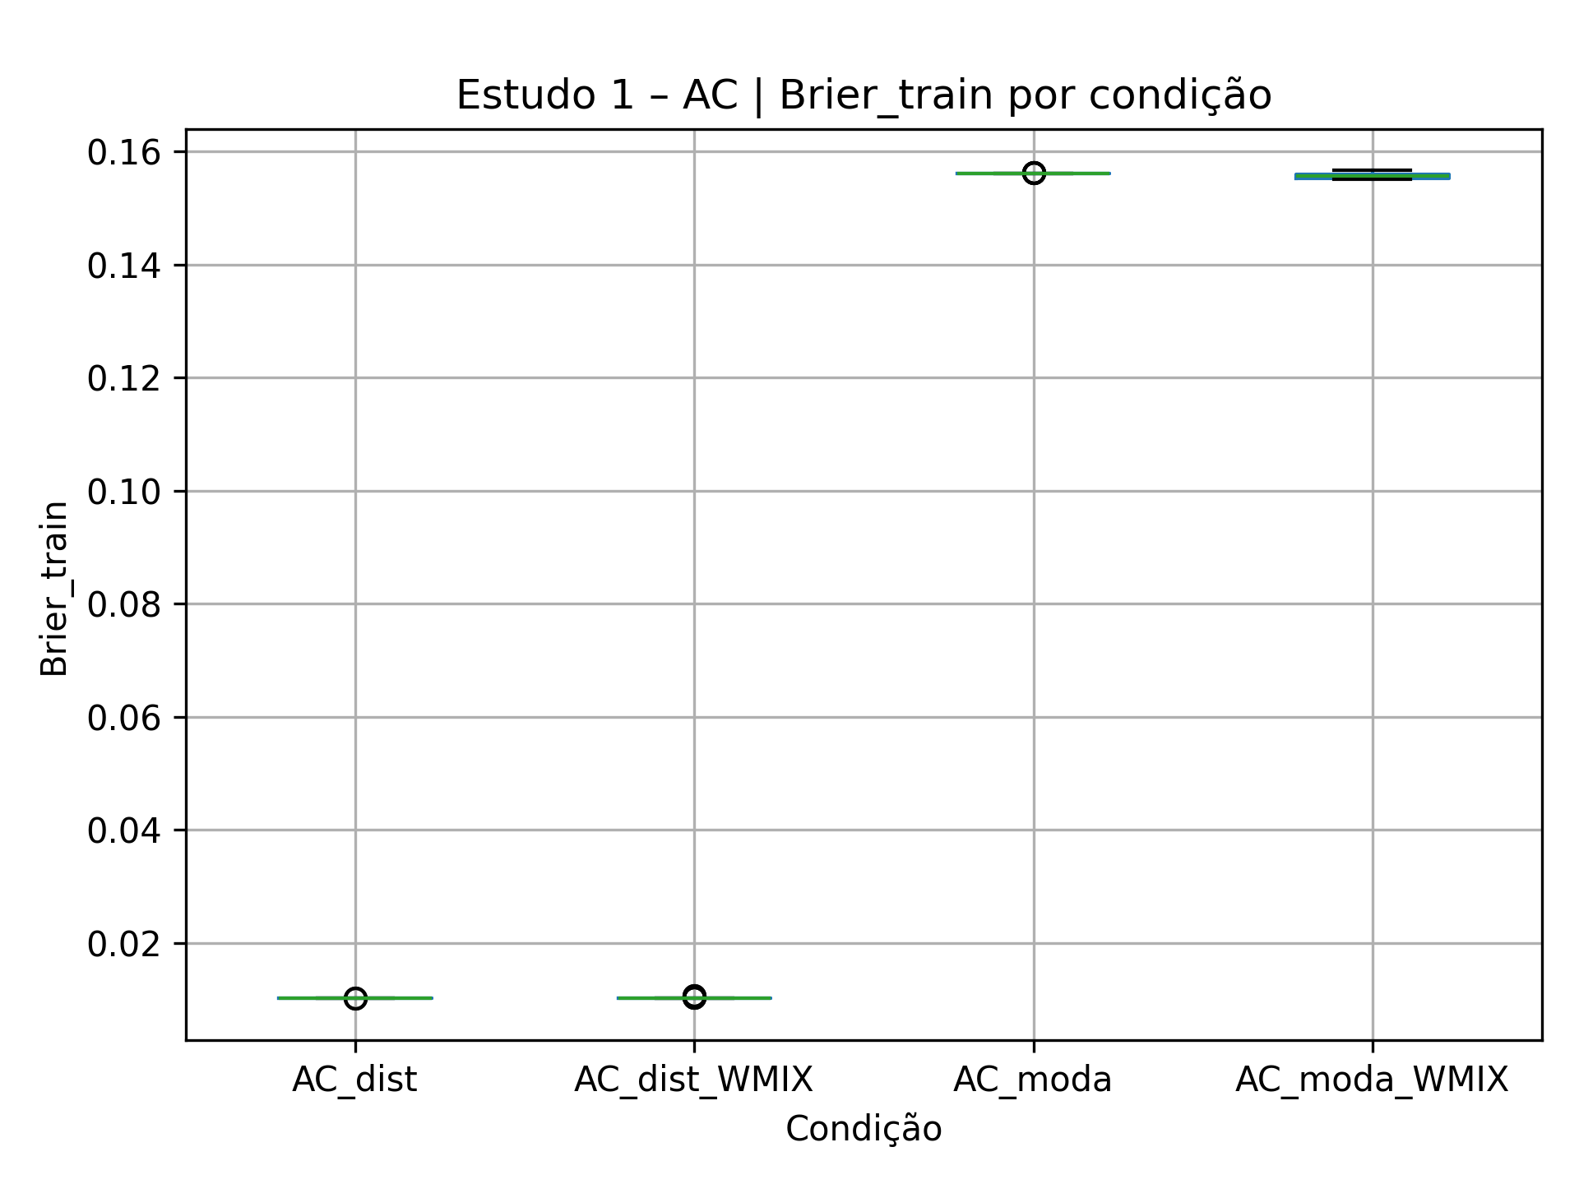
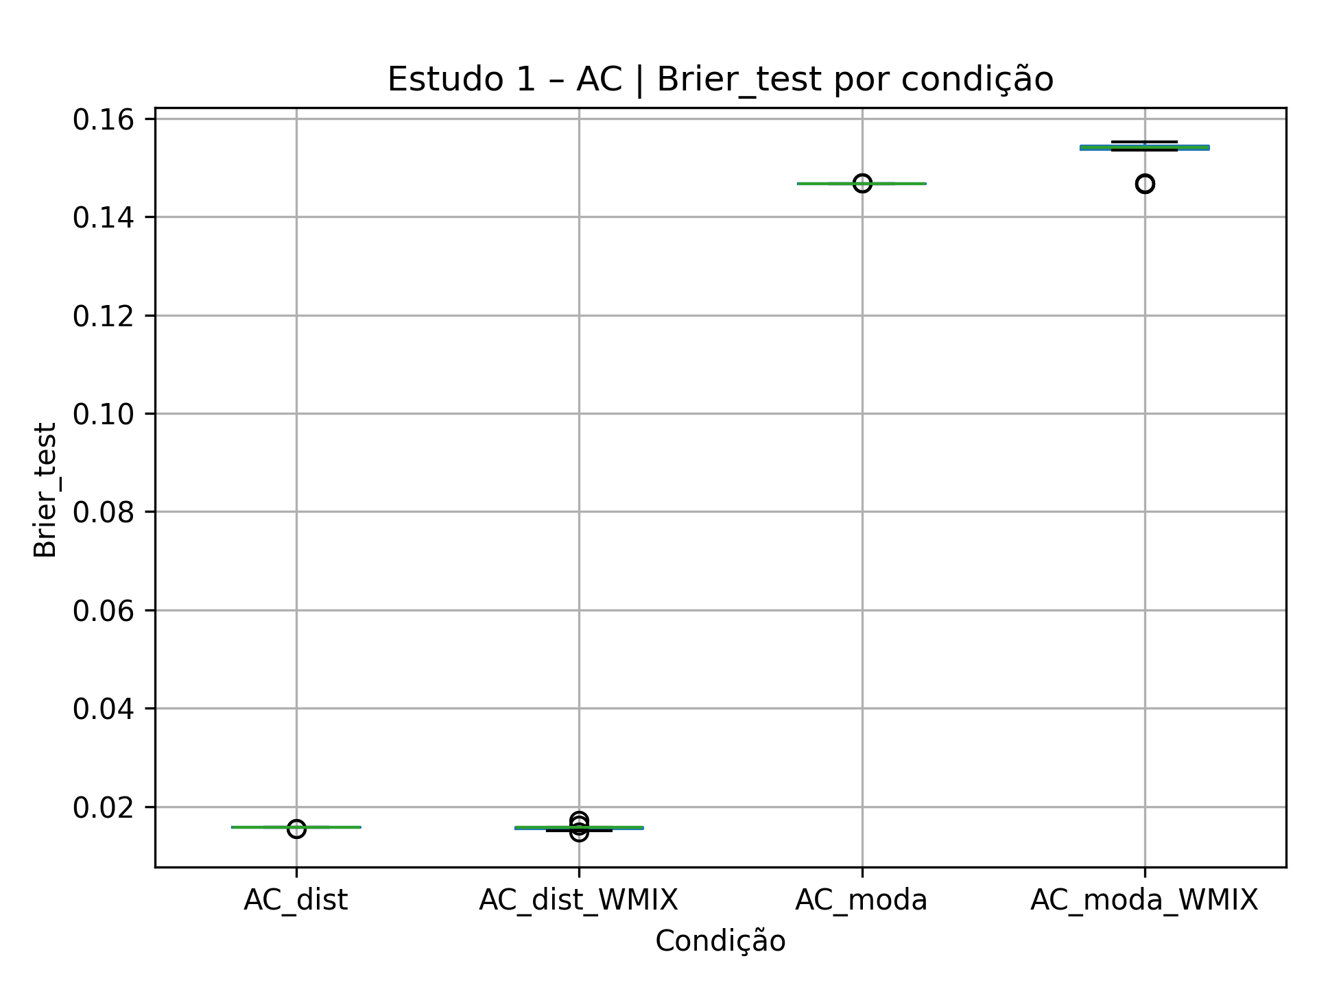

Python script |  |  |  |  |  |  | Python script |  |  |  |  |  |  | Python script
import pandas as pd from pathlib import Path import matplotlib.pyplot as plt BASE_DIR = Path(r"D:\RankedBN_Library-main\RankedBN_Library-main\rankedbn\experiments\report\AE") ARQUIVOS = { "AE_moda": BASE_DIR / "estudo1_AE_moda_results.csv", "AE_moda_WMIX": BASE_DIR / "estudo1_AE_moda_with_WMIX_results.csv", "AE_dist": BASE_DIR / "estudo1_AE_dist_results.csv", "AE_dist_WMIX": BASE_DIR / "estudo1_AE_dist_with_WMIX_results.csv", } # Junta tudo em um único DataFrame longo registros = [] for nome_cond, caminho in ARQUIVOS.items(): df = pd.read_csv(caminho, sep=";") tmp_train = df[["seed", "brier_train"]].copy() tmp_train["tipo"] = "train" tmp_train["condicao"] = nome_cond tmp_test = df[["seed", "brier_test"]].copy() tmp_test["tipo"] = "test" tmp_test["condicao"] = nome_cond registros.append(tmp_train) registros.append(tmp_test) dados = pd.concat(registros, ignore_index=True) # Boxplot para Brier_train plt.figure(figsize=(8, 5)) subset_train = dados[dados["tipo"] == "train"] subset_train.boxplot(column="brier_train", by="condicao") plt.title("Estudo 1 – AE | Brier_train por condição") plt.suptitle("") plt.xlabel("Condição") plt.ylabel("Brier_train") plt.tight_layout() plt.savefig(BASE_DIR / "estudo1_AE_boxplot_brier_train.png", dpi=300) # Boxplot para Brier_test plt.figure(figsize=(8, 5)) subset_test = dados[dados["tipo"] == "test"] subset_test.boxplot(column="brier_test", by="condicao") plt.title("Estudo 1 – AE | Brier_test por condição") plt.suptitle("") plt.xlabel("Condição") plt.ylabel("Brier_test") plt.tight_layout() plt.savefig(BASE_DIR / "estudo1_AE_boxplot_brier_test.png", dpi=300) print("✅ Boxplots salvos em:") print(" -", BASE_DIR / "estudo1_AE_boxplot_brier_train.png") print(" -", BASE_DIR / "estudo1_AE_boxplot_brier_test.png") |  |  |  |  |  |  | import pandas as pd from pathlib import Path import matplotlib.pyplot as plt BASE_DIR = Path(r"D:\RankedBN_Library-main\RankedBN_Library-main\rankedbn\experiments\report\AT") ARQUIVOS = { "AT_moda": BASE_DIR / "estudo1_AT_moda_results.csv", "AT_moda_WMIX": BASE_DIR / "estudo1_AT_moda_with_WMIX_results.csv", "AT_dist": BASE_DIR / "estudo1_AT_dist_results.csv", "AT_dist_WMIX": BASE_DIR / "estudo1_AT_dist_with_WMIX_results.csv", } # Junta tudo em um único DataFrame longo registros = [] for nome_cond, caminho in ARQUIVOS.items(): df = pd.read_csv(caminho, sep=";") tmp_train = df[["seed", "brier_train"]].copy() tmp_train["tipo"] = "train" tmp_train["condicao"] = nome_cond tmp_test = df[["seed", "brier_test"]].copy() tmp_test["tipo"] = "test" tmp_test["condicao"] = nome_cond registros.append(tmp_train) registros.append(tmp_test) dados = pd.concat(registros, ignore_index=True) # Boxplot para Brier_train plt.figure(figsize=(8, 5)) subset_train = dados[dados["tipo"] == "train"] subset_train.boxplot(column="brier_train", by="condicao") plt.title("Estudo 1 – AT | Brier_train por condição") plt.suptitle("") plt.xlabel("Condição") plt.ylabel("Brier_train") plt.tight_layout() plt.savefig(BASE_DIR / "estudo1_AT_boxplot_brier_train.png", dpi=300) # Boxplot para Brier_test plt.figure(figsize=(8, 5)) subset_test = dados[dados["tipo"] == "test"] subset_test.boxplot(column="brier_test", by="condicao") plt.title("Estudo 1 – AT | Brier_test por condição") plt.suptitle("") plt.xlabel("Condição") plt.ylabel("Brier_test") plt.tight_layout() plt.savefig(BASE_DIR / "estudo1_AT_boxplot_brier_test.png", dpi=300) print(" Boxplots salvos em:") print(" -", BASE_DIR / "estudo1_AT_boxplot_brier_train.png") print(" -", BASE_DIR / "estudo1_AT_boxplot_brier_test.png") |  |  |  |  |  |  | import pandas as pd from pathlib import Path import matplotlib.pyplot as plt BASE_DIR = Path(r"D:\RankedBN_Library-main\RankedBN_Library-main\rankedbn\experiments\report\AC") ARQUIVOS = { "AC_moda": BASE_DIR / "estudo1_AC_moda_results.csv", "AC_moda_WMIX": BASE_DIR / "estudo1_AC_moda_com_WMIX_results.csv", "AC_dist": BASE_DIR / "estudo1_AC_dist_results.csv", "AC_dist_WMIX": BASE_DIR / "estudo1_AC_dist_com_WMIX_results.csv", } # Junta tudo em um único DataFrame longo registros = [] for nome_cond, caminho in ARQUIVOS.items(): df = pd.read_csv(caminho, sep=";") tmp_train = df[["seed", "brier_train"]].copy() tmp_train["tipo"] = "train" tmp_train["condicao"] = nome_cond tmp_test = df[["seed", "brier_test"]].copy() tmp_test["tipo"] = "test" tmp_test["condicao"] = nome_cond registros.append(tmp_train) registros.append(tmp_test) dados = pd.concat(registros, ignore_index=True) # Boxplot para Brier_train plt.figure(figsize=(8, 5)) subset_train = dados[dados["tipo"] == "train"] subset_train.boxplot(column="brier_train", by="condicao") plt.title("Estudo 1 – AC | Brier_train por condição") plt.suptitle("") plt.xlabel("Condição") plt.ylabel("Brier_train") plt.tight_layout() plt.savefig(BASE_DIR / "estudo1_AC_boxplot_brier_train.png", dpi=300) # Boxplot para Brier_test plt.figure(figsize=(8, 5)) subset_test = dados[dados["tipo"] == "test"] subset_test.boxplot(column="brier_test", by="condicao") plt.title("Estudo 1 – AC | Brier_test por condição") plt.suptitle("") plt.xlabel("Condição") plt.ylabel("Brier_test") plt.tight_layout() plt.savefig(BASE_DIR / "estudo1_AC_boxplot_brier_test.png", dpi=300) print("Boxplots salvos em:") print(" -", BASE_DIR / "estudo1_AC_boxplot_brier_train.png") print(" -", BASE_DIR / "estudo1_AC_boxplot_brier_test.png")

Interpretation
Quando comparamos as calibrações com e sem a nova função WMIX_MIN_MEAN_MAX, vemos que o ganho não é generalizado: a função nova traz um benefício claro apenas em AT com entrada por moda, onde o Brier médio de teste cai de aproximadamente 0,0832 para 0,0755 (redução de ~9%) e o melhor caso melhora de 0,0832 para 0,0294, indicando que, em algumas seeds, o GA encontra configurações bem melhores quando pode usar WMIX_MIN_MEAN_MAX. Para AT com distribuição real e para AC e AE (tanto com moda quanto com distribuição real), a inclusão da nova função não reduz o erro; em vários casos ela piora o Brier médio (por exemplo, AC_dist passa de 0,0107 para 0,0126 e AE_moda de 0,1726 para 0,1753). Assim, a RQ3 mostra que a nova função é útil em um cenário específico (AT_moda), mas não substitui nem supera sistematicamente as funções clássicas; ela deve ser vista como uma opção adicional no espaço de busca, não como uma melhoria generalizada.

 | Melhores configurações encontradas (30 seeds, Pop=50 Ger=25 Mut=0.10 )
entrada | nó | função | pesos |  |  |  | Sigma | brier_train_min | brier_test_min
dist. real | AT | WMAX | "Dom"=1, "Eco"=1,"Ling"=3 |  |  |  | 0.05 | 0.0045 | 0.0007
 |  | WMIX_MIN_MEAN_MAX[a=0.00,g=0.10] | "Dom"=4, "Eco"=2,"Ling"=5 |  |  |  | 0.05 | 0.0042 | 0.0009
 | AC | WMAX | "PC_VL=1", "PC_L=2", "PC_M=5", "PC_H=1", "PC_VH=5" |  |  |  | 0.1 | 0.0074 | 0.0104
 | AE | WMIN | "AT"=3, "AC"=1 |  |  |  | 0.1 | 0.0026 | 0.0023
 |  | WMIX_MIN_MEAN_MAX[a=0.40,g=0.00] | "AT"=5, "AC"=4 |  |  |  | 0.1 | 0.0026 | 0.0023

entrada |  | n_seeds | func_dominante |  | func_dominante_freq | brier_train_mean | brier_train_std | brier_train_min | brier_train_max | brier_test_mean | brier_test_std | brier_test_min | brier_test_max | tempo_s_mean | tempo_s_std
condicao | n_seeds | func_dominante | best_sigma | best_pesos | func_dominante_freq | brier_train_mean | brier_train_std | brier_train_min | brier_train_max | brier_test_mean | brier_test_std | brier_test_min | brier_test_max | tempo_s_mean | tempo_s_std
AT_moda | 30 | WMAX | 0.05 | pesos=[np.int32(2), np.int32(2), np.int32(5)] | 28 | 0.080729233333 | 0.013060117974 | 0.077029 | 0.132069 | 0.1029377 | 0.07223623975 | 0.084058 | 0.395697 | 152.20557 | 17.465718835
AT_moda_WMIX | 30 | WMIX_MIN_MEAN_MAX[a=0.00,g=0.40] | 0.005 | pesos=[np.int32(1), np.int32(1), np.int32(3)] | 26 | 0.074304466667 | 0.017819287332 | 0.058342 | 0.121714 | 0.1538072 | 0.085154033177 | 0.012103 | 0.336052 | 267.77787333 | 393.50434835
AT_dist | 30 | WMEAN | 0.5 | pesos=[np.int32(3), np.int32(1), np.int32(5)] | 29 | 0.0075645 | 5.20E-05 | 0.007555 | 0.00784 | 0.0024987 | 9.69E-05 | 0.002481 | 0.003012 | 127.59182333 | 5.6428826833
AT_dist_WMIX | 30 | WMIX_MIN_MEAN_MAX[a=0.00,g=0.10] | 0.5 | pesos=[np.int32(4), np.int32(1), np.int32(5)] | 19 | 0.007555 | 1.76E-18 | 0.007555 | 0.007555 | 0.0024373 | 3.38E-05 | 0.002412 | 0.002481 | 105.30155667 | 5.2438833333
AC_moda | 30 | WMAX | 0.5 | pesos=[np.int32(1), np.int32(4), np.int32(5), np.int32(4), np.int32(5)] | 30 | 0.156094 | 8.30E-05 | 0.156062 | 0.156302 | 0.1467756 | 6.64E-05 | 0.14675 | 0.146942 | 235.97214 | 26.169581059
AC_moda_WMIX | 30 | WMIX_MIN_MEAN_MAX[a=0.00,g=0.40] | 0.5 | pesos=[np.int32(1), np.int32(2), np.int32(5), np.int32(4), np.int32(5)] | 24 | 0.15568316667 | 0.00040517472462 | 0.155169 | 0.156665 | 0.15271796667 | 0.0030337562751 | 0.14675 | 0.155212 | 222.73354667 | 35.48595277
AC_dist | 30 | WMAX | 0.5 | pesos=[np.int32(1), np.int32(1), np.int32(4), np.int32(4), np.int32(5)] | 30 | 0.0102046 | 1.75E-05 | 0.0102 | 0.010269 | 0.015686 | 6.85E-05 | 0.015434 | 0.015704 | 256.70709 | 29.912813409
AC_dist_WMIX | 30 | WMAX | 0.5 | pesos=[np.int32(1), np.int32(2), np.int32(2), np.int32(1), np.int32(5)] | 29 | 0.010272166667 | 0.00013263407877 | 0.0102 | 0.010671 | 0.0156286 | 0.00040133231565 | 0.014722 | 0.017154 | 272.24453 | 278.48303738
AE_moda | 30 | WMIN | 0.1 | pesos=[np.int32(3), np.int32(1)] | 29 | 0.10269963333 | 0.0012687080174 | 0.102468 | 0.109417 | 0.17208286667 | 0.0045563213817 | 0.171251 | 0.196207 | 154.11906333 | 17.238765071
AE_moda_WMIX | 30 | WMIX_MIN_MEAN_MAX[a=0.40,g=0.10] | 0.1 | pesos=[np.int32(3), np.int32(2)] | 24 | 0.10097226667 | 0.0014320345289 | 0.100598 | 0.108414 | 0.17622446667 | 0.0079018173455 | 0.166269 | 0.213908 | 142.69285667 | 21.397888209
AE_dist | 30 | WMIN | 0.5 | pesos=[np.int32(5), np.int32(1)] | 16 | 0.004925 | 1.76E-18 | 0.004925 | 0.004925 | 0.003294 | 8.82E-19 | 0.003294 | 0.003294 | 167.07639667 | 21.687659871
AE_dist_WMIX | 30 | WMIN | 0.5 | pesos=[np.int32(5), np.int32(4)] | 26 | 0.0049263333333 | 7.30E-06 | 0.004925 | 0.004965 | 0.0032906 | 1.86E-05 | 0.003192 | 0.003294 | 99.418926667 | 2.9380391616
.
cond | target | funcao | seed | brier | sigma | tempo_total_s | pesos
Distribuição real | AC | WMAX | 27 | 0.0102 | 0.5 | 271.3519 | [np.int32(1), np.int32(3), np.int32(5), np.int32(1), np.int32(5)]
Distribuição real | AE | MIXMINMAX | 29 | 0.0049 | 0.5 | 184.412 | [np.int32(5), np.int32(1)]
Distribuição real | AE | WMIN | 4 | 0.0049 | 0.5 | 123.138 | [np.int32(5), np.int32(5)]
Distribuição real | AT | WMAX | 2 | 0.0078 | 0.5 | 120.9752 | [np.int32(1), np.int32(1), np.int32(5)]
Distribuição real | AT | WMEAN | 0 | 0.0076 | 0.5 | 118.4376 | [np.int32(3), np.int32(1), np.int32(5)]
Moda | AC | WMAX | 26 | 0.1561 | 0.5 | 255.4863 | [np.int32(1), np.int32(3), np.int32(5), np.int32(4), np.int32(5)]
Moda | AE | WMAX | 7 | 0.1094 | 0.1 | 144.0494 | [np.int32(1), np.int32(5)]
Moda | AE | WMIN | 12 | 0.1025 | 0.1 | 142.3506 | [np.int32(3), np.int32(1)]
Moda | AT | WMAX | 29 | 0.077 | 0.05 | 191.668 | [np.int32(2), np.int32(2), np.int32(5)]
Moda | AT | WMEAN | 9 | 0.1245 | 0.05 | 139.0951 | [np.int32(3), np.int32(3), np.int32(1)]
.
condicao | n_seeds | func_dominante | best_sigma | best_pesos | func_dominante_freq | brier_train_mean | brier_train_std | brier_train_min | brier_train_max | brier_test_mean | brier_test_std | brier_test_min | brier_test_max | tempo_s_mean | tempo_s_std
AT_moda | 30 | WMAX | 0.05 | pesos=[np.int32(2), np.int32(2), np.int32(5)] | 28 | 0.080729233333 | 0.013060117974 | 0.077029 | 0.132069 | 0.1029377 | 0.07223623975 | 0.084058 | 0.395697 | 152.20557 | 17.465718835
AT_moda_WMIX | 30 | WMIX_MIN_MEAN_MAX[a=0.00,g=0.40] | 0.005 | pesos=[np.int32(1), np.int32(1), np.int32(3)] | 26 | 0.074304466667 | 0.017819287332 | 0.058342 | 0.121714 | 0.1538072 | 0.085154033177 | 0.012103 | 0.336052 | 267.77787333 | 393.50434835
AT_dist | 30 | WMEAN | 0.5 | pesos=[np.int32(3), np.int32(1), np.int32(5)] | 29 | 0.0075645 | 5.20E-05 | 0.007555 | 0.00784 | 0.0024987 | 9.69E-05 | 0.002481 | 0.003012 | 127.59182333 | 5.6428826833
AT_dist_WMIX | 30 | WMIX_MIN_MEAN_MAX[a=0.00,g=0.10] | 0.5 | pesos=[np.int32(4), np.int32(1), np.int32(5)] | 19 | 0.007555 | 1.76E-18 | 0.007555 | 0.007555 | 0.0024373 | 3.38E-05 | 0.002412 | 0.002481 | 105.30155667 | 5.2438833333
condicao | n_seeds | func_dominante | best_sigma | best_pesos | func_dominante_freq | brier_train_mean | brier_train_std | brier_train_min | brier_train_max | brier_test_mean | brier_test_std | brier_test_min | brier_test_max | tempo_s_mean | tempo_s_std
AC_moda | 30 | WMAX | 0.5 | pesos=[np.int32(1), np.int32(4), np.int32(5), np.int32(4), np.int32(5)] | 30 | 0.156094 | 8.30E-05 | 0.156062 | 0.156302 | 0.1467756 | 6.64E-05 | 0.14675 | 0.146942 | 235.97214 | 26.169581059
AC_moda_WMIX | 30 | WMIX_MIN_MEAN_MAX[a=0.00,g=0.40] | 0.5 | pesos=[np.int32(1), np.int32(2), np.int32(5), np.int32(4), np.int32(5)] | 24 | 0.15568316667 | 0.00040517472462 | 0.155169 | 0.156665 | 0.15271796667 | 0.0030337562751 | 0.14675 | 0.155212 | 222.73354667 | 35.48595277
AC_dist | 30 | WMAX | 0.5 | pesos=[np.int32(1), np.int32(1), np.int32(4), np.int32(4), np.int32(5)] | 30 | 0.0102046 | 1.75E-05 | 0.0102 | 0.010269 | 0.015686 | 6.85E-05 | 0.015434 | 0.015704 | 256.70709 | 29.912813409
AC_dist_WMIX | 30 | WMAX | 0.5 | pesos=[np.int32(1), np.int32(2), np.int32(2), np.int32(1), np.int32(5)] | 29 | 0.010272166667 | 0.00013263407877 | 0.0102 | 0.010671 | 0.0156286 | 0.00040133231565 | 0.014722 | 0.017154 | 272.24453 | 278.48303738
condicao | n_seeds | func_dominante | best_sigma | best_pesos | func_dominante_freq | brier_train_mean | brier_train_std | brier_train_min | brier_train_max | brier_test_mean | brier_test_std | brier_test_min | brier_test_max | tempo_s_mean | tempo_s_std
AE_moda | 30 | WMIN | 0.1 | pesos=[np.int32(3), np.int32(1)] | 29 | 0.10269963333 | 0.0012687080174 | 0.102468 | 0.109417 | 0.17208286667 | 0.0045563213817 | 0.171251 | 0.196207 | 154.11906333 | 17.238765071
AE_moda_WMIX | 30 | WMIX_MIN_MEAN_MAX[a=0.40,g=0.10] | 0.1 | pesos=[np.int32(3), np.int32(2)] | 24 | 0.10097226667 | 0.0014320345289 | 0.100598 | 0.108414 | 0.17622446667 | 0.0079018173455 | 0.166269 | 0.213908 | 142.69285667 | 21.397888209
AE_dist | 30 | WMIN | 0.5 | pesos=[np.int32(5), np.int32(1)] | 16 | 0.004925 | 1.76E-18 | 0.004925 | 0.004925 | 0.003294 | 8.82E-19 | 0.003294 | 0.003294 | 167.07639667 | 21.687659871
AE_dist_WMIX | 30 | WMIN | 0.5 | pesos=[np.int32(5), np.int32(4)] | 26 | 0.0049263333333 | 7.30E-06 | 0.004925 | 0.004965 | 0.0032906 | 1.86E-05 | 0.003192 | 0.003294 | 99.418926667 | 2.9380391616

func_at = "WMEAN"
var_at = 0.05
pesos_dom_eco_ling = [3, 1, 5]

func_ac = "WMAX"
var_ac = 0.05
pesos_pc = [1, 1, 4, 4, 5]

func_ae = "WMIN"
var_ae = 0.05
pesos_at_ac = [5, 1]

All experiments were executed on a Windows 10 Pro (64-bit) machine equipped with an Intel Core i3-3217U CPU (1.80 GHz) and 6 GB RAM. The implementation was run in Python 3.13.3 using pgmpy 1.0.0 for Bayesian-network inference and NumPy 2.2.6 for numerical operations. Runtime measurements reflect single-machine execution.

